DEU Charts
Graphs

Νew_cases_per_million
 | Total
3/2/2020 - 3/8/2020 | 8.752
3/9/2020 - 3/15/2020 | 47.849
3/16/2020 - 3/22/2020 | 165.116
3/23/2020 - 3/29/2020 | 406.875
3/30/2020 - 4/5/2020 | 469.58
4/6/2020 - 4/12/2020 | 344.868
4/13/2020 - 4/19/2020 | 232.805
4/20/2020 - 4/26/2020 | 171.183
4/27/2020 - 5/3/2020 | 99.762
5/4/2020 - 5/10/2020 | 80.592
5/11/2020 - 5/17/2020 | 61.588
5/18/2020 - 5/24/2020 | 47.068
5/25/2020 - 5/31/2020 | 38.377
6/1/2020 - 6/7/2020 | 29.938
6/8/2020 - 6/14/2020 | 27.455
6/15/2020 - 6/21/2020 | 42.598
6/22/2020 - 6/28/2020 | 44.085
6/29/2020 - 7/5/2020 | 34.001
7/6/2020 - 7/12/2020 | 29.602
7/13/2020 - 7/19/2020 | 33.21
7/20/2020 - 7/26/2020 | 44.3
7/27/2020 - 8/2/2020 | 55.438
8/3/2020 - 8/9/2020 | 71.911
8/10/2020 - 8/16/2020 | 90.662
8/17/2020 - 8/23/2020 | 112.832
8/24/2020 - 8/30/2020 | 106.788
8/31/2020 - 9/6/2020 | 98.478
9/7/2020 - 9/13/2020 | 113.214
9/14/2020 - 9/20/2020 | 143.713
9/21/2020 - 9/27/2020 | 152.563
9/28/2020 - 10/4/2020 | 181
10/5/2020 - 10/11/2020 | 283.267
10/12/2020 - 10/18/2020 | 468.896
10/19/2020 - 10/25/2020 | 805.757
10/26/2020 - 11/1/2020 | 1243.866
11/2/2020 - 11/8/2020 | 1505.542
11/9/2020 - 11/15/2020 | 1582.547
11/16/2020 - 11/22/2020 | 1531.809
11/23/2020 - 11/29/2020 | 1491.824
11/30/2020 - 12/6/2020 | 1542.084
12/7/2020 - 12/13/2020 | 1791.1
12/14/2020 - 12/20/2020 | 2077.641
12/21/2020 - 12/27/2020 | 1760.6
12/28/2020 - 1/3/2021 | 1496.345
1/4/2021 - 1/10/2021 | 1712.785
1/11/2021 - 1/17/2021 | 1498.54
1/18/2021 - 1/24/2021 | 1215.918
1/25/2021 - 1/31/2021 | 976.243
2/1/2021 - 2/7/2021 | 811.032
2/8/2021 - 2/14/2021 | 606.065
...
New deaths per million
 | Total
3/9/2020 - 3/15/2020 | 0.144
3/16/2020 - 3/22/2020 | 0.516
3/23/2020 - 3/29/2020 | 4.004
3/30/2020 - 4/5/2020 | 11.424
4/6/2020 - 4/12/2020 | 15.957
4/13/2020 - 4/19/2020 | 19.435
4/20/2020 - 4/26/2020 | 16.138
4/27/2020 - 5/3/2020 | 12.097
5/4/2020 - 5/10/2020 | 8.944
5/11/2020 - 5/17/2020 | 6.223
5/18/2020 - 5/24/2020 | 3.993
5/25/2020 - 5/31/2020 | 3.034
6/1/2020 - 6/7/2020 | 2.016
6/8/2020 - 6/14/2020 | 1.428
6/15/2020 - 6/21/2020 | 1.236
6/22/2020 - 6/28/2020 | 0.9
6/29/2020 - 7/5/2020 | 0.66
7/6/2020 - 7/12/2020 | 0.612
7/13/2020 - 7/19/2020 | 0.252
7/20/2020 - 7/26/2020 | 0.456
7/27/2020 - 8/2/2020 | 0.492
8/3/2020 - 8/9/2020 | 0.66
8/10/2020 - 8/16/2020 | 0.462
8/17/2020 - 8/23/2020 | 0.456
8/24/2020 - 8/30/2020 | 0.312
8/31/2020 - 9/6/2020 | 0.36
9/7/2020 - 9/13/2020 | 0.318
9/14/2020 - 9/20/2020 | 0.444
9/21/2020 - 9/27/2020 | 0.924
9/28/2020 - 10/4/2020 | 0.864
10/5/2020 - 10/11/2020 | 1.032
10/12/2020 - 10/18/2020 | 1.944
10/19/2020 - 10/25/2020 | 3.057
10/26/2020 - 11/1/2020 | 5.384
11/2/2020 - 11/8/2020 | 9.687
11/9/2020 - 11/15/2020 | 14.339
11/16/2020 - 11/22/2020 | 18.427
11/23/2020 - 11/29/2020 | 25.189
11/30/2020 - 12/6/2020 | 31.76
12/7/2020 - 12/13/2020 | 36.148
12/14/2020 - 12/20/2020 | 51.098
12/21/2020 - 12/27/2020 | 44.708
12/28/2020 - 1/3/2021 | 53.88
1/4/2021 - 1/10/2021 | 72.786
1/11/2021 - 1/17/2021 | 72.846
1/18/2021 - 1/24/2021 | 65.353
1/25/2021 - 1/31/2021 | 60.845
2/1/2021 - 2/7/2021 | 54.815
2/8/2021 - 2/14/2021 | 41.279
2/15/2021 - 2/21/2021 | 34.541
...
Reproduction Rate
 | Total
2020-03-02 | 2.79
2020-03-03 | 2.83
2020-03-04 | 2.88
2020-03-05 | 2.93
2020-03-06 | 2.98
2020-03-07 | 2.96
2020-03-08 | 2.93
2020-03-09 | 2.92
2020-03-10 | 2.9
2020-03-11 | 2.91
2020-03-12 | 2.92
2020-03-13 | 2.84
2020-03-14 | 2.79
2020-03-15 | 2.75
2020-03-16 | 2.67
2020-03-17 | 2.59
2020-03-18 | 2.52
2020-03-19 | 2.47
2020-03-20 | 2.4
2020-03-21 | 2.31
2020-03-22 | 2.24
2020-03-23 | 2.2
2020-03-24 | 2.13
2020-03-25 | 1.99
2020-03-26 | 1.85
2020-03-27 | 1.76
2020-03-28 | 1.68
2020-03-29 | 1.59
2020-03-30 | 1.51
2020-03-31 | 1.44
2020-04-01 | 1.37
2020-04-02 | 1.29
2020-04-03 | 1.23
2020-04-04 | 1.19
2020-04-05 | 1.15
2020-04-06 | 1.08
2020-04-07 | 1.02
2020-04-08 | 0.97
2020-04-09 | 0.92
2020-04-10 | 0.88
2020-04-11 | 0.85
2020-04-12 | 0.82
2020-04-13 | 0.8
2020-04-14 | 0.77
2020-04-15 | 0.75
2020-04-16 | 0.74
2020-04-17 | 0.75
2020-04-18 | 0.76
2020-04-19 | 0.75
2020-04-20 | 0.74
...
ICU patients per million
 | Total
2020-03-20 | 2.398
2020-03-21 | 3.693
2020-03-22 | 4.364
2020-03-23 | 5.407
2020-03-24 | 7.385
2020-03-25 | 9.459
2020-03-26 | 9.879
2020-03-27 | 10.85
2020-03-28 | 12.001
2020-03-29 | 12.744
2020-03-30 | 14.423
2020-03-31 | 18.595
2020-04-01 | 21.401
2020-04-02 | 25.213
2020-04-03 | 28.342
2020-04-04 | 29.661
2020-04-05 | 30.345
2020-04-06 | 30.62
2020-04-07 | 31.699
2020-04-08 | 31.903
2020-04-09 | 32.587
2020-04-10 | 32.419
2020-04-11 | 31.855
2020-04-12 | 31.855
2020-04-13 | 32.635
2020-04-14 | 32.671
2020-04-15 | 32.838
2020-04-16 | 33.774
2020-04-17 | 34.565
2020-04-18 | 35.164
2020-04-19 | 34.469
2020-04-20 | 34.829
2020-04-21 | 34.289
2020-04-22 | 32.898
2020-04-23 | 32.706
2020-04-24 | 31.771
2020-04-25 | 30.488
2020-04-26 | 30.321
2020-04-27 | 29.625
2020-04-28 | 28.702
2020-04-29 | 27.731
2020-04-30 | 26.868
2020-05-01 | 25.465
2020-05-02 | 24.602
2020-05-03 | 24.194
2020-05-04 | 23.739
2020-05-05 | 22.851
2020-05-06 | 21.88
2020-05-07 | 21.209
2020-05-08 | 19.926
...

Total Vaccinations per hundredl
 | Total
2020-12-27 | 0.03
2020-12-28 | 0.05
2020-12-29 | 0.11
2020-12-30 | 0.19
2020-12-31 | 0.25
2021-01-01 | 0.28
2021-01-02 | 0.34
2021-01-03 | 0.36
2021-01-04 | 0.42
2021-01-05 | 0.48
2021-01-06 | 0.56
2021-01-07 | 0.62
2021-01-08 | 0.7
2021-01-09 | 0.77
2021-01-10 | 0.81
2021-01-11 | 0.9
2021-01-12 | 0.99
2021-01-13 | 1.13
2021-01-14 | 1.23
2021-01-15 | 1.34
2021-01-16 | 1.41
2021-01-17 | 1.46
2021-01-18 | 1.56
2021-01-19 | 1.71
2021-01-20 | 1.87
2021-01-21 | 1.99
2021-01-22 | 2.12
2021-01-23 | 2.22
2021-01-24 | 2.28
2021-01-25 | 2.39
2021-01-26 | 2.51
2021-01-27 | 2.64
2021-01-28 | 2.75
2021-01-29 | 2.88
2021-01-30 | 2.98
2021-01-31 | 3.05
2021-02-01 | 3.2
2021-02-02 | 3.36
2021-02-03 | 3.55
2021-02-04 | 3.71
2021-02-05 | 3.89
2021-02-06 | 4
2021-02-07 | 4.07
2021-02-08 | 4.2
2021-02-09 | 4.36
2021-02-10 | 4.55
2021-02-11 | 4.72
2021-02-12 | 4.91
2021-02-13 | 5.04
2021-02-14 | 5.12
...
People Vaccinated per hundred
 | Total
2020-12-27 | 0.03
2020-12-28 | 0.05
2020-12-29 | 0.11
2020-12-30 | 0.19
2020-12-31 | 0.25
2021-01-01 | 0.28
2021-01-02 | 0.34
2021-01-03 | 0.36
2021-01-04 | 0.42
2021-01-05 | 0.48
2021-01-06 | 0.56
2021-01-07 | 0.62
2021-01-08 | 0.7
2021-01-09 | 0.77
2021-01-10 | 0.81
2021-01-11 | 0.9
2021-01-12 | 0.99
2021-01-13 | 1.13
2021-01-14 | 1.23
2021-01-15 | 1.34
2021-01-16 | 1.4
2021-01-17 | 1.44
2021-01-18 | 1.52
2021-01-19 | 1.62
2021-01-20 | 1.72
2021-01-21 | 1.79
2021-01-22 | 1.88
2021-01-23 | 1.93
2021-01-24 | 1.96
2021-01-25 | 2.02
2021-01-26 | 2.08
2021-01-27 | 2.14
2021-01-28 | 2.2
2021-01-29 | 2.26
2021-01-30 | 2.3
2021-01-31 | 2.33
2021-02-01 | 2.4
2021-02-02 | 2.48
2021-02-03 | 2.56
2021-02-04 | 2.63
2021-02-05 | 2.71
2021-02-06 | 2.77
2021-02-07 | 2.8
2021-02-08 | 2.87
2021-02-09 | 2.94
2021-02-10 | 3.03
2021-02-11 | 3.12
2021-02-12 | 3.22
2021-02-13 | 3.29
2021-02-14 | 3.34
...
Total boosters per hundred
 | Total
2021-06-16 | 0
2021-06-17 | 0.01
2021-06-18 | 0.01
2021-06-19 | 0.01
2021-06-20 | 0.01
2021-06-21 | 0.01
2021-06-22 | 0.01
2021-06-23 | 0.01
2021-06-24 | 0.01
2021-06-25 | 0.01
2021-06-26 | 0.01
2021-06-27 | 0.01
2021-06-28 | 0.01
2021-06-29 | 0.01
2021-06-30 | 0.01
2021-07-01 | 0.01
2021-07-02 | 0.01
2021-07-03 | 0.01
2021-07-04 | 0.01
2021-07-05 | 0.01
2021-07-06 | 0.01
2021-07-07 | 0.01
2021-07-08 | 0.01
2021-07-09 | 0.01
2021-07-10 | 0.01
2021-07-11 | 0.01
2021-07-12 | 0.01
2021-07-13 | 0.01
2021-07-14 | 0.01
2021-07-15 | 0.01
2021-07-16 | 0.01
2021-07-17 | 0.01
2021-07-18 | 0.01
2021-07-19 | 0.01
2021-07-20 | 0.01
2021-07-21 | 0.01
2021-07-22 | 0.01
2021-07-23 | 0.01
2021-07-24 | 0.01
2021-07-25 | 0.01
2021-07-26 | 0.01
2021-07-27 | 0.02
2021-07-28 | 0.02
2021-07-29 | 0.02
2021-07-30 | 0.02
2021-07-31 | 0.02
2021-08-01 | 0.02
2021-08-02 | 0.02
2021-08-03 | 0.02
2021-08-04 | 0.02
...
Positive Rate
 | Total
3/9/2020 - 3/15/2020 | 0.058
3/16/2020 - 3/22/2020 | 0.069
3/23/2020 - 3/29/2020 | 0.088
3/30/2020 - 4/5/2020 | 0.09
4/6/2020 - 4/12/2020 | 0.08
4/13/2020 - 4/19/2020 | 0.067
4/20/2020 - 4/26/2020 | 0.05
4/27/2020 - 5/3/2020 | 0.038
5/4/2020 - 5/10/2020 | 0.026
5/11/2020 - 5/17/2020 | 0.017
5/18/2020 - 5/24/2020 | 0.015
5/25/2020 - 5/31/2020 | 0.011
6/1/2020 - 6/7/2020 | 0.009
6/8/2020 - 6/14/2020 | 0.009
6/15/2020 - 6/21/2020 | 0.015
6/22/2020 - 6/28/2020 | 0.008
6/29/2020 - 7/5/2020 | 0.006
7/6/2020 - 7/12/2020 | 0.006
7/13/2020 - 7/19/2020 | 0.007
7/20/2020 - 7/26/2020 | 0.008
7/27/2020 - 8/2/2020 | 0.01
8/3/2020 - 8/9/2020 | 0.01
8/10/2020 - 8/16/2020 | 0.01
8/17/2020 - 8/23/2020 | 0.009
8/24/2020 - 8/30/2020 | 0.007
8/31/2020 - 9/6/2020 | 0.008
9/7/2020 - 9/13/2020 | 0.009
9/14/2020 - 9/20/2020 | 0.012
9/21/2020 - 9/27/2020 | 0.012
9/28/2020 - 10/4/2020 | 0.018
10/5/2020 - 10/11/2020 | 0.025
10/12/2020 - 10/18/2020 | 0.036
10/19/2020 - 10/25/2020 | 0.055
10/26/2020 - 11/1/2020 | 0.071
11/2/2020 - 11/8/2020 | 0.079
11/9/2020 - 11/15/2020 | 0.088
11/16/2020 - 11/22/2020 | 0.094
11/23/2020 - 11/29/2020 | 0.093
11/30/2020 - 12/6/2020 | 0.099
12/7/2020 - 12/13/2020 | 0.112
12/14/2020 - 12/20/2020 | 0.114
12/21/2020 - 12/27/2020 | 0.13
12/28/2020 - 1/3/2021 | 0.154
1/4/2021 - 1/10/2021 | 0.128
1/11/2021 - 1/17/2021 | 0.104
1/18/2021 - 1/24/2021 | 0.099
1/25/2021 - 1/31/2021 | 0.085
2/1/2021 - 2/7/2021 | 0.075
2/8/2021 - 2/14/2021 | 0.064
2/15/2021 - 2/21/2021 | 0.061
...
People fully vaccinated per hundred
 | Total
2021-01-16 | 0
2021-01-17 | 0.02
2021-01-18 | 0.04
2021-01-19 | 0.09
2021-01-20 | 0.15
2021-01-21 | 0.2
2021-01-22 | 0.24
2021-01-23 | 0.3
2021-01-24 | 0.32
2021-01-25 | 0.37
2021-01-26 | 0.42
2021-01-27 | 0.49
2021-01-28 | 0.55
2021-01-29 | 0.62
2021-01-30 | 0.68
2021-01-31 | 0.72
2021-02-01 | 0.8
2021-02-02 | 0.88
2021-02-03 | 0.99
2021-02-04 | 1.08
2021-02-05 | 1.18
2021-02-06 | 1.23
2021-02-07 | 1.26
2021-02-08 | 1.33
2021-02-09 | 1.42
2021-02-10 | 1.51
2021-02-11 | 1.6
2021-02-12 | 1.69
2021-02-13 | 1.74
2021-02-14 | 1.77
2021-02-15 | 1.84
2021-02-16 | 1.91
2021-02-17 | 1.98
2021-02-18 | 2.04
2021-02-19 | 2.11
2021-02-20 | 2.15
2021-02-21 | 2.18
2021-02-22 | 2.25
2021-02-23 | 2.33
2021-02-24 | 2.4
2021-02-25 | 2.47
2021-02-26 | 2.55
2021-02-27 | 2.6
2021-02-28 | 2.63
2021-03-01 | 2.69
2021-03-02 | 2.75
2021-03-03 | 2.84
2021-03-04 | 2.91
2021-03-05 | 2.99
2021-03-06 | 3.05
...

BoxPlots

new_cases_per_million
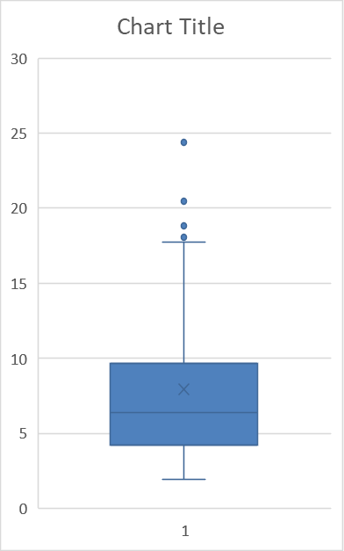
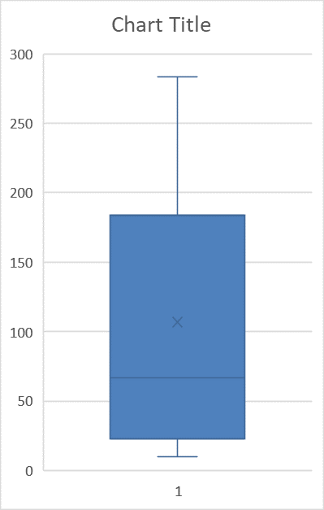
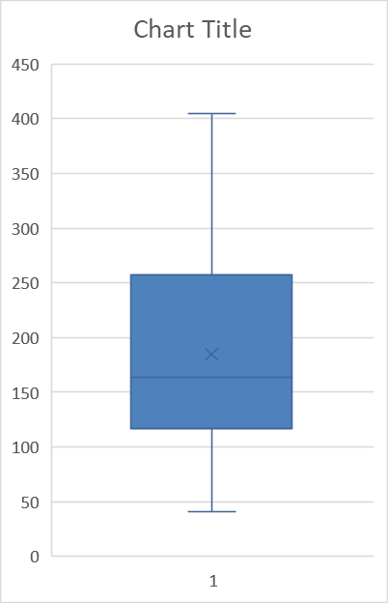
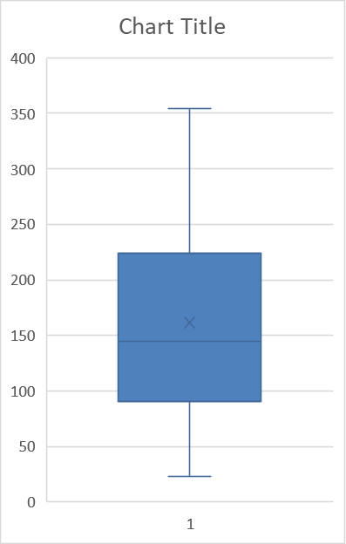
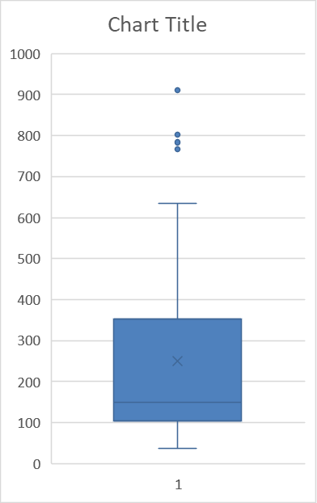
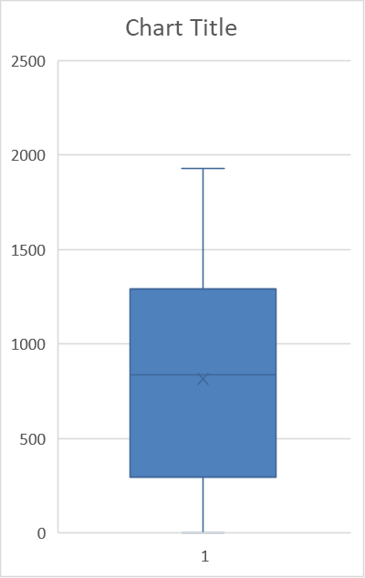
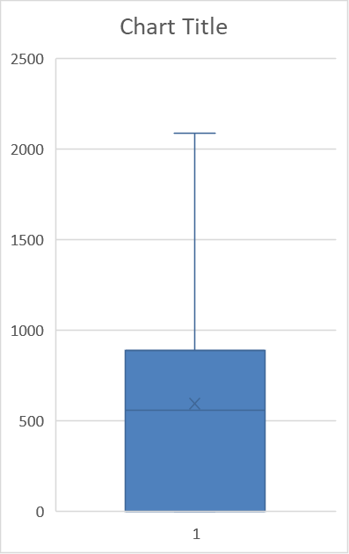
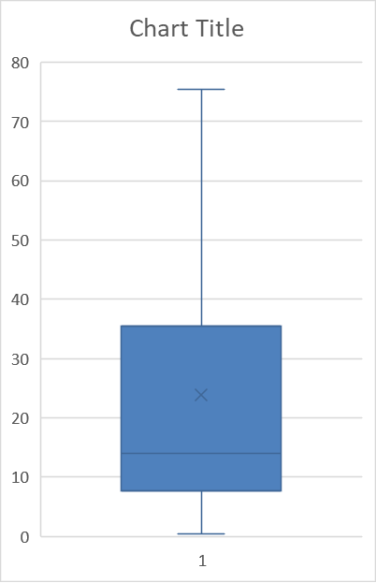
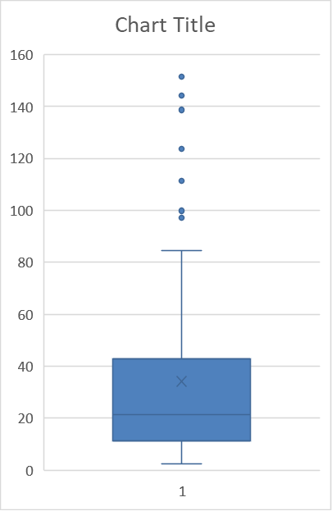
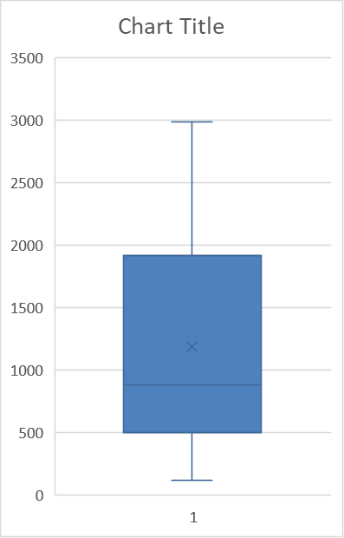
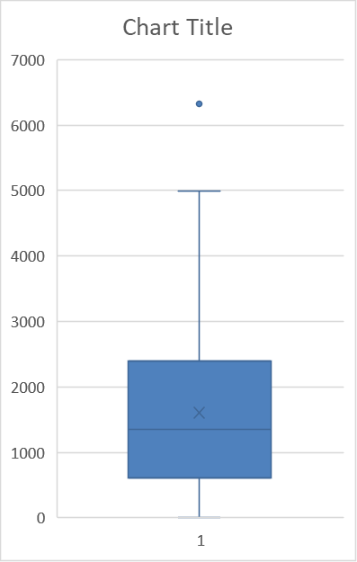

 | 2/Mar/20 - 31/May/20 |  | 1/Jun/20 - 31/Aug/20 |  | 1/Sep/20- 30/Nov/20 |  | 1/Dec/20 - 28/Feb/21 |  | 1/Mar/21 - 31/May/21 |  | 1/Jun/21 - 31/Aug/21 |  | 1/Sep/21- 30/Nov/21 |  | 1/Dec/21 - 28/Feb/22 |  | 1/Mar/22 - 31/May/22 | 1/Jun/22 - 31/Aug/22 | 1/Sep/22- 9/Oct/22
Q1 | 7.649 |  | 4.199 |  | 22.684 |  | 116.86725 |  | 90.85075 |  | 11.387 |  | 104.09 |  | 501.76225 |  | 606.59225 | 297.4335 | 0
Q2 | 14.075 |  | 6.372 |  | 66.984 |  | 164.006 |  | 144.5175 |  | 21.287 |  | 149.325 |  | 881.6605 |  | 1347.2595 | 836.143 | 557.437
Q3 | 35.464 |  | 9.68125 |  | 184.058 |  | 257.03875 |  | 224.20975 |  | 42.71725 |  | 352.05 |  | 1919.05975 |  | 2398.47725 | 1292.661 | 885.473

new_deaths_per_million
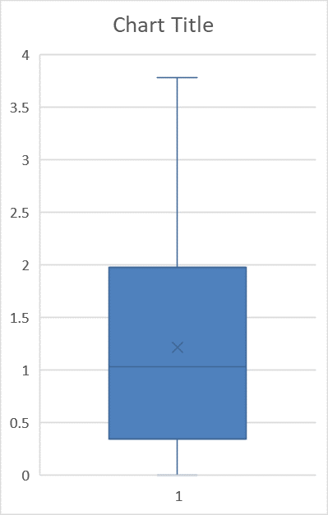
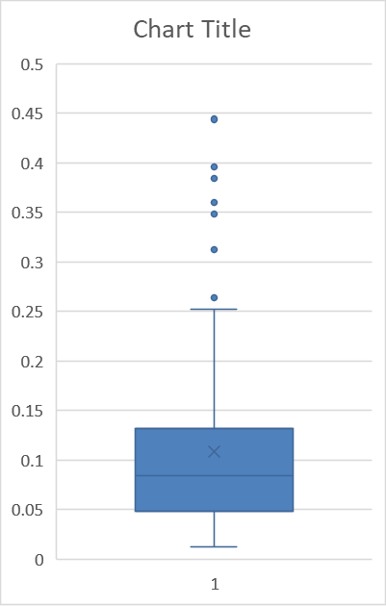
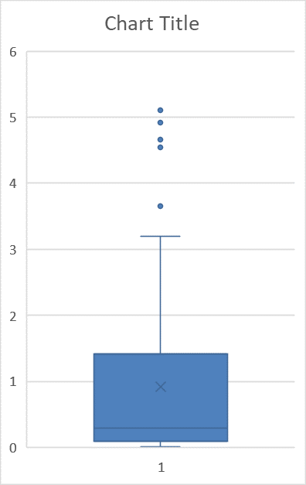
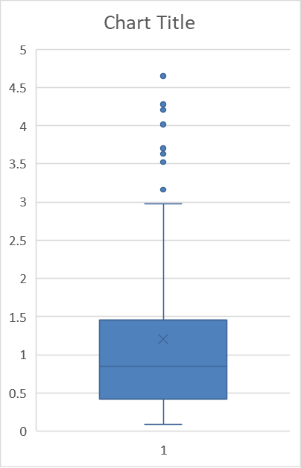
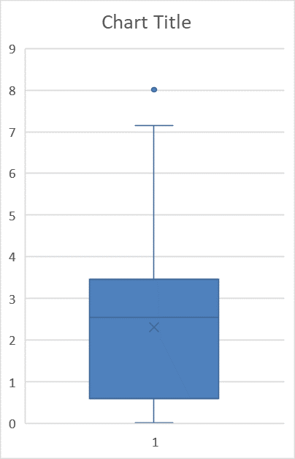
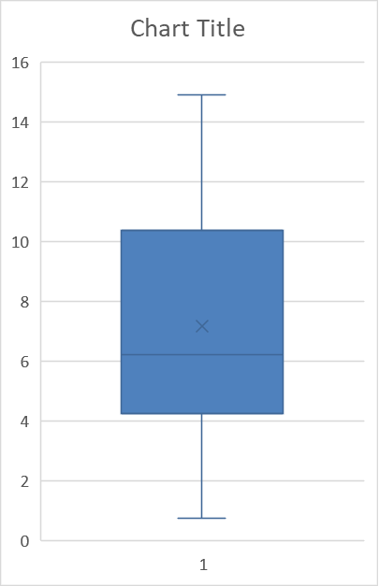
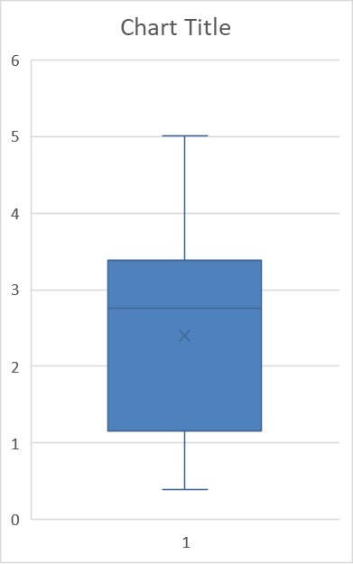
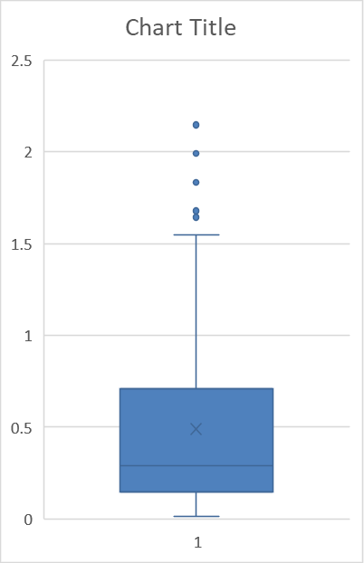
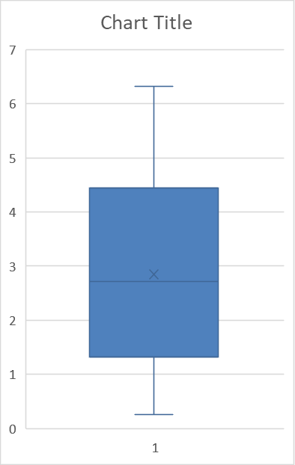
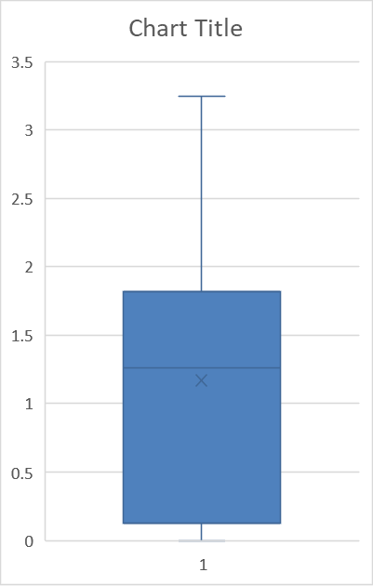
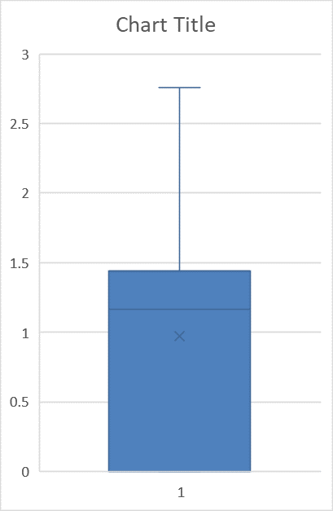

 | 9/Mar/20 - 31/May/20 |  | 1/Jun/20 - 31/Aug/20 |  | 1/Sep/20- 30/Nov/20 |  | 1/Dec/20 - 28/Feb/21 |  | 1/Mar/21 - 31/May/21 |  | 1/Jun/21 - 31/Aug/21 |  | 1/Sep/21- 30/Nov/21 |  | 1/Dec/21 - 28/Feb/22 |  | 1/Mar/22 - 31/May/22 | 1/Jun/22 - 31/Aug/22 | 1/Sep/22- 9/Oct/22
Q1 | 0.345 |  | 0.048 |  | 0.096 |  | 4.247 |  | 1.16 |  | 0.147 |  | 0.42 |  | 1.325 |  | 0.59 | 0.129 | 0
Q2 | 1.031 |  | 0.084 |  | 0.288 |  | 6.2105 |  | 2.7575 |  | 0.288 |  | 0.851 |  | 2.71 |  | 2.554 | 1.259 | 1.163
Q3 | 1.972 |  | 0.132 |  | 1.415 |  | 10.37675 |  | 3.378 |  | 0.71 |  | 1.451 |  | 4.442 |  | 3.465 | 1.816 | 1.439

reproduction_rate

 | 2/Mar/20 - 31/May/20 | 1/Jun/20 - 31/Aug/20 |  | 1/Sep/20- 30/Nov/20 |  | 1/Dec/20 - 28/Feb/21 | 1/Mar/21 - 31/May/21 | 1/Jun/21 - 31/Aug/21 |  | 1/Sep/21- 30/Nov/21 |  | 1/Dec/21 - 28/Feb/22 | 1/Mar/22 - 31/May/22 | 1/Jun/22 - 31/Aug/22 |  | 1/Sep/22- 1/Oct/22
Q1 | 0.72 | 0.9225 |  | 1.07 |  | 0.8475 | 0.8225 | 0.61 |  | 1.01 |  | 0.9575 | 0.82 | 0.88 |  | 1
Q2 | 0.8 | 1.095 |  | 1.16 |  | 0.925 | 1.05 | 1.275 |  | 1.16 |  | 1.045 | 0.905 | 1.03 |  | 1.12
Q3 | 2.13 | 1.24 |  | 1.39 |  | 1.03 | 1.15 | 1.34 |  | 1.31 |  | 1.3125 | 1.06 | 1.205 |  | 1.32

icu_patients_per_million

 | 20/Mar/20 - 31/May/20 | 1/Jun/20 - 31/Aug/20 |  | 1/Sep/20- 30/Nov/20 |  | 1/Dec/20 - 28/Feb/21 | 1/Mar/21 - 31/May/21 | 1/Jun/21 - 31/Aug/21 |  | 1/Sep/21- 30/Nov/21 |  | 1/Dec/21 - 28/Feb/22 | 1/Mar/22 - 31/May/22 | 1/Jun/22 - 31/Aug/22 |  | 1/Sep/22- 10/Oct/22
Q1 | 11.839 | 2.877 |  | 3.513 |  | 47.357 | 34.87675 | 4.754 |  | 16.725 |  | 28.735 | 13.029 | 9.537 |  | 8.554
Q2 | 21.209 | 3.129 |  | 8.273 |  | 54.275 | 46.32 | 6.84 |  | 18.403 |  | 33.9595 | 21.5565 | 12.511 |  | 8.932
Q3 | 31.1595 | 4.337 |  | 34.829 |  | 62.26 | 56.145 | 11.468 |  | 31.436 |  | 52.81875 | 26.487 | 15.262 |  | 11.276

positive_rate

 | 9/Mar/20 - 31/May/20 | 1/Jun/20 - 31/Aug/20 |  | 1/Sep/20- 30/Nov/20 |  | 1/Dec/20 - 28/Feb/21 | 1/Mar/21 - 31/May/21 | 1/Jun/21 - 31/Aug/21 |  | 1/Sep/21- 30/Nov/21 |  | 1/Dec/21 - 28/Feb/22 | 1/Mar/22 - 31/May/22
Q1 | 0.01925 | 0.007 |  | 0.012 |  | 0.0695 | 0.0645 | 0.0125 |  | 0.0695 |  | 0.2015 | 0.3965
Q2 | 0.054 | 0.009 |  | 0.036 |  | 0.099 | 0.093 | 0.023 |  | 0.086 |  | 0.244 | 0.503
Q3 | 0.07725 | 0.01 |  | 0.0835 |  | 0.121 | 0.1155 | 0.049 |  | 0.1645 |  | 0.4415 | 0.536

total_vaccinations_per_hundred

 | 27/Dec/20 - 28/Feb/21 | 1/Mar/21 - 31/May/21 |  | 1/Jun/21 - 31/Aug/21 |  | 1/Sep/21- 30/Nov/21 | 1/Dec/21 - 28/Feb/22 | 1/Mar/22 - 31/May/22 |  | 1/Jun/22 - 31/Aug/22 |  | 1/Sep/22- 9/Oct/22
Q1 | 0.9225 | 14.16 |  | 85.86 |  | 130.17 | 181.0375 | 212.485 |  | 219.015 |  | 221.75
Q2 | 2.695 | 25.58 |  | 105.1 |  | 134.25 | 194.62 | 215.305 |  | 219.995 |  | 222.11
Q3 | 5.0075 | 42.695 |  | 116.6025 |  | 138.59 | 204.56 | 217.04 |  | 220.8675 |  | 222.76

people_vaccinated_per_hundred

 | 27/Dec/20 - 28/Feb/21 | 1/Mar/21 - 31/May/21 |  | 1/Jun/21 - 31/Aug/21 |  | 1/Sep/21- 30/Nov/21 | 1/Dec/21 - 28/Feb/22 | 1/Mar/22 - 31/May/22 |  | 1/Jun/22 - 31/Aug/22 |  | 1/Sep/22- 9/Oct/22
Q1 | 0.9225 | 9.825 |  | 53.695 |  | 68.48 | 74.9025 | 77.3725 |  | 77.58 |  | 77.66
Q2 | 2.17 | 19.08 |  | 60.9 |  | 69.74 | 75.985 | 77.46 |  | 77.61 |  | 77.67
Q3 | 3.2725 | 33.1975 |  | 63.5325 |  | 70.65 | 76.885 | 77.52 |  | 77.63 |  | 77.67

people_fully_vaccinated_per_hundred

 | 16/Jan/21 - 31/Mar/21 | 1/Apr/21 - 30/Jun/21 |  | 1/Jul/21 - 30/Sept/21 |  | 1/Oct/21- 31/Dec/21 | 1/Jan/22 - 31/Mar/22 | 1/Apr/22 - 30/Jun/22 |  | 1/Jul/22 - 30/Sept/22 |  | 1/Oct/22- 9/Oct/22
Q1 | 0.99 | 7.07 |  | 49.505 |  | 65.87 | 73.1225 | 75.76 |  | 76.01 |  | 76.09
Q2 | 2.25 | 11.35 |  | 57.54 |  | 67.285 | 74.625 | 75.86 |  | 76.04 |  | 76.1
Q3 | 3.52 | 22.98 |  | 61.4975 |  | 69.03 | 75.3375 | 75.92 |  | 76.07 |  | 76.1

total_boosters_per_hundred

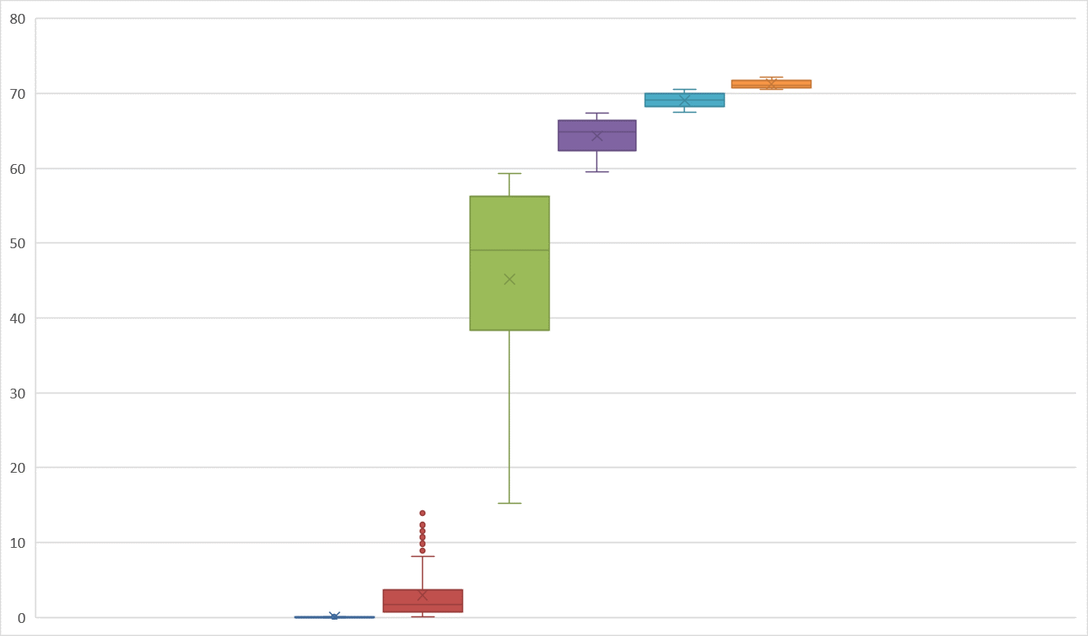

 | 16/Jun/21 - 31/Aug/21 | 1/Sep/21- 30/Nov/21 |  | 1/Dec/21 - 28/Feb/22 |  | 1/Mar/22 - 31/May/22 | 1/Jun/22 - 31/Aug/22 | 1/Sep/22- 9/Oct/22
Q1 | 0.01 | 0.74 |  | 38.3475 |  | 62.33 | 68.2325 | 70.77
Q2 | 0.01 | 1.68 |  | 49.005 |  | 64.865 | 69.14 | 71.12
Q3 | 0.02 | 3.72 |  | 56.2425 |  | 66.43 | 69.9575 | 71.74

NLD Charts
Graphs

New cases per million
 | Total
3/2/2020 - 3/8/2020 | 17.313
3/9/2020 - 3/15/2020 | 62.394
3/16/2020 - 3/22/2020 | 190.668
3/23/2020 - 3/29/2020 | 400.305
3/30/2020 - 4/5/2020 | 404.075
4/6/2020 - 4/12/2020 | 444.128
4/13/2020 - 4/19/2020 | 392.59
4/20/2020 - 4/26/2020 | 276.944
4/27/2020 - 5/3/2020 | 144.385
5/4/2020 - 5/10/2020 | 115.304
5/11/2020 - 5/17/2020 | 77.363
5/18/2020 - 5/24/2020 | 74.508
5/25/2020 - 5/31/2020 | 62.85
6/1/2020 - 6/7/2020 | 68.223
6/8/2020 - 6/14/2020 | 69.081
6/15/2020 - 6/21/2020 | 40.567
6/22/2020 - 6/28/2020 | 32.281
6/29/2020 - 7/5/2020 | 24.855
7/6/2020 - 7/12/2020 | 24.912
7/13/2020 - 7/19/2020 | 46.739
7/20/2020 - 7/26/2020 | 72.907
7/27/2020 - 8/2/2020 | 134.33
8/3/2020 - 8/9/2020 | 215.235
8/10/2020 - 8/16/2020 | 252.433
8/17/2020 - 8/23/2020 | 212.723
8/24/2020 - 8/30/2020 | 205.867
8/31/2020 - 9/6/2020 | 283.858
9/7/2020 - 9/13/2020 | 448.699
9/14/2020 - 9/20/2020 | 721.701
9/21/2020 - 9/27/2020 | 1063.04
9/28/2020 - 10/4/2020 | 1483.628
10/5/2020 - 10/11/2020 | 2345.945
10/12/2020 - 10/18/2020 | 3129.467
10/19/2020 - 10/25/2020 | 3736.896
10/26/2020 - 11/1/2020 | 3805.175
11/2/2020 - 11/8/2020 | 2665.855
11/9/2020 - 11/15/2020 | 2171.161
11/16/2020 - 11/22/2020 | 2124.995
11/23/2020 - 11/29/2020 | 1926.384
11/30/2020 - 12/6/2020 | 2336.344
12/7/2020 - 12/13/2020 | 3299.451
12/14/2020 - 12/20/2020 | 4515.277
12/21/2020 - 12/27/2020 | 3976.299
12/28/2020 - 1/3/2021 | 3279.396
1/4/2021 - 1/10/2021 | 2892.862
1/11/2021 - 1/17/2021 | 2236.698
1/18/2021 - 1/24/2021 | 2042.03
1/25/2021 - 1/31/2021 | 1646.297
2/1/2021 - 2/7/2021 | 1508.025
2/8/2021 - 2/14/2021 | 1381.752
...
New deaths per million
 | Total
9/7/2020 - 9/13/2020 | 0.7125
9/14/2020 - 9/20/2020 | 1.485
9/21/2020 - 9/27/2020 | 5.541
9/28/2020 - 10/4/2020 | 4.572
10/5/2020 - 10/11/2020 | 8.371
10/12/2020 - 10/18/2020 | 9.542
10/19/2020 - 10/25/2020 | 16.855
10/26/2020 - 11/1/2020 | 22.17
11/2/2020 - 11/8/2020 | 32.626
11/9/2020 - 11/15/2020 | 27.597
11/16/2020 - 11/22/2020 | 23.198
11/23/2020 - 11/29/2020 | 26.167
11/30/2020 - 12/6/2020 | 19.369
12/7/2020 - 12/13/2020 | 20.626
12/14/2020 - 12/20/2020 | 25.312
12/21/2020 - 12/27/2020 | 28.968
12/28/2020 - 1/3/2021 | 35.138
1/4/2021 - 1/10/2021 | 42.797
1/11/2021 - 1/17/2021 | 36.854
1/18/2021 - 1/24/2021 | 30.512
1/25/2021 - 1/31/2021 | 26.168
2/1/2021 - 2/7/2021 | 23.14
2/8/2021 - 2/14/2021 | 23.597
2/15/2021 - 2/21/2021 | 22.913
2/22/2021 - 2/28/2021 | 19.769
3/1/2021 - 3/7/2021 | 15.428
3/8/2021 - 3/14/2021 | 13.485
3/15/2021 - 3/21/2021 | 11.769
3/22/2021 - 3/28/2021 | 10.856
3/29/2021 - 4/4/2021 | 8.97
4/5/2021 - 4/11/2021 | 8.513
4/12/2021 - 4/18/2021 | 8.286
4/19/2021 - 4/25/2021 | 7.6
4/26/2021 - 5/2/2021 | 7.028
5/3/2021 - 5/9/2021 | 8.627
5/10/2021 - 5/16/2021 | 7.199
5/17/2021 - 5/23/2021 | 5.428
5/24/2021 - 5/30/2021 | 4.456
5/31/2021 - 6/6/2021 | 3.314
6/7/2021 - 6/13/2021 | 1.999
6/14/2021 - 6/20/2021 | 1.028
6/21/2021 - 6/27/2021 | 1.0855
6/28/2021 - 7/4/2021 | 1.257
7/5/2021 - 7/11/2021 | 0.627
7/12/2021 - 7/18/2021 | 0.7125
7/19/2021 - 7/25/2021 | 1.371
7/26/2021 - 8/1/2021 | 1.656
8/2/2021 - 8/8/2021 | 2.4275
8/9/2021 - 8/15/2021 | 2.627
8/16/2021 - 8/22/2021 | 2.629
...
Reproduction Rate
 | Total
2020-03-06 | 2.76
2020-03-07 | 2.7
2020-03-08 | 2.58
2020-03-09 | 2.51
2020-03-10 | 2.5
2020-03-11 | 2.47
2020-03-12 | 2.45
2020-03-13 | 2.38
2020-03-14 | 2.38
2020-03-15 | 2.43
2020-03-16 | 2.4
2020-03-17 | 2.33
2020-03-18 | 2.27
2020-03-19 | 2.21
2020-03-20 | 2.16
2020-03-21 | 2.09
2020-03-22 | 2.03
2020-03-23 | 2
2020-03-24 | 1.93
2020-03-25 | 1.86
2020-03-26 | 1.76
2020-03-27 | 1.65
2020-03-28 | 1.55
2020-03-29 | 1.45
2020-03-30 | 1.36
2020-03-31 | 1.29
2020-04-01 | 1.22
2020-04-02 | 1.16
2020-04-03 | 1.15
2020-04-04 | 1.16
2020-04-05 | 1.16
2020-04-06 | 1.14
2020-04-07 | 1.14
2020-04-08 | 1.13
2020-04-09 | 1.13
2020-04-10 | 1.11
2020-04-11 | 1.08
2020-04-12 | 1.04
2020-04-13 | 1.01
2020-04-14 | 0.97
2020-04-15 | 0.96
2020-04-16 | 0.96
2020-04-17 | 0.95
2020-04-18 | 0.93
2020-04-19 | 0.9
2020-04-20 | 0.87
2020-04-21 | 0.82
2020-04-22 | 0.78
2020-04-23 | 0.74
2020-04-24 | 0.7
...
ICU patients per million
 | Total
3/2/2020 - 3/8/2020 | 6.8
3/9/2020 - 3/15/2020 | 27.539
3/16/2020 - 3/22/2020 | 120.903
3/23/2020 - 3/29/2020 | 329.854
3/30/2020 - 4/5/2020 | 502.524
4/6/2020 - 4/12/2020 | 559.431
4/13/2020 - 4/19/2020 | 502.238
4/20/2020 - 4/26/2020 | 409.045
4/27/2020 - 5/3/2020 | 313.34
5/4/2020 - 5/10/2020 | 237.176
5/11/2020 - 5/17/2020 | 164.327
5/18/2020 - 5/24/2020 | 105.59
5/25/2020 - 5/31/2020 | 73.765
6/1/2020 - 6/7/2020 | 47.424
6/8/2020 - 6/14/2020 | 32.512
6/15/2020 - 6/21/2020 | 27.084
6/22/2020 - 6/28/2020 | 17.313
6/29/2020 - 7/5/2020 | 9.712
7/6/2020 - 7/12/2020 | 9.313
7/13/2020 - 7/19/2020 | 7.313
7/20/2020 - 7/26/2020 | 6.512
7/27/2020 - 8/2/2020 | 7.6
8/3/2020 - 8/9/2020 | 11.314
8/10/2020 - 8/16/2020 | 13.598
8/17/2020 - 8/23/2020 | 16.456
8/24/2020 - 8/30/2020 | 14.514
8/31/2020 - 9/6/2020 | 13.371
9/7/2020 - 9/13/2020 | 13.198
9/14/2020 - 9/20/2020 | 22.912
9/21/2020 - 9/27/2020 | 42.91
9/28/2020 - 10/4/2020 | 60.85
10/5/2020 - 10/11/2020 | 87.191
10/12/2020 - 10/18/2020 | 125.93
10/19/2020 - 10/25/2020 | 181.355
10/26/2020 - 11/1/2020 | 220.95
11/2/2020 - 11/8/2020 | 241.006
11/9/2020 - 11/15/2020 | 239.348
11/16/2020 - 11/22/2020 | 222.836
11/23/2020 - 11/29/2020 | 208.551
11/30/2020 - 12/6/2020 | 188.896
12/7/2020 - 12/13/2020 | 190.039
12/14/2020 - 12/20/2020 | 215.865
12/21/2020 - 12/27/2020 | 241.232
12/28/2020 - 1/3/2021 | 279.002
1/4/2021 - 1/10/2021 | 284.601
1/11/2021 - 1/17/2021 | 275.801
1/18/2021 - 1/24/2021 | 271.745
1/25/2021 - 1/31/2021 | 261.632
2/1/2021 - 2/7/2021 | 236.434
2/8/2021 - 2/14/2021 | 215.065
...
Hosp patients per million
 | Total
3/2/2020 - 3/8/2020 | 26.855
3/9/2020 - 3/15/2020 | 119.246
3/16/2020 - 3/22/2020 | 493.38
3/23/2020 - 3/29/2020 | 1162.458
3/30/2020 - 4/5/2020 | 1111.321
4/6/2020 - 4/12/2020 | 1092.123
4/13/2020 - 4/19/2020 | 927.852
4/20/2020 - 4/26/2020 | 769.182
4/27/2020 - 5/3/2020 | 604.684
5/4/2020 - 5/10/2020 | 495.895
5/11/2020 - 5/17/2020 | 409.046
5/18/2020 - 5/24/2020 | 347.338
5/25/2020 - 5/31/2020 | 264.146
6/1/2020 - 6/7/2020 | 194.438
6/8/2020 - 6/14/2020 | 126.903
6/15/2020 - 6/21/2020 | 102.104
6/22/2020 - 6/28/2020 | 75.878
6/29/2020 - 7/5/2020 | 48.967
7/6/2020 - 7/12/2020 | 30.454
7/13/2020 - 7/19/2020 | 32.969
7/20/2020 - 7/26/2020 | 33.081
7/27/2020 - 8/2/2020 | 27.77
8/3/2020 - 8/9/2020 | 32.911
8/10/2020 - 8/16/2020 | 46.052
8/17/2020 - 8/23/2020 | 52.052
8/24/2020 - 8/30/2020 | 43.31
8/31/2020 - 9/6/2020 | 38.339
9/7/2020 - 9/13/2020 | 51.424
9/14/2020 - 9/20/2020 | 86.964
9/21/2020 - 9/27/2020 | 158.498
9/28/2020 - 10/4/2020 | 226.493
10/5/2020 - 10/11/2020 | 342.481
10/12/2020 - 10/18/2020 | 472.984
10/19/2020 - 10/25/2020 | 611.599
10/26/2020 - 11/1/2020 | 732.842
11/2/2020 - 11/8/2020 | 753.528
11/9/2020 - 11/15/2020 | 645.766
11/16/2020 - 11/22/2020 | 587.887
11/23/2020 - 11/29/2020 | 516.694
11/30/2020 - 12/6/2020 | 466.639
12/7/2020 - 12/13/2020 | 487.781
12/14/2020 - 12/20/2020 | 584.343
12/21/2020 - 12/27/2020 | 680.62
12/28/2020 - 1/3/2021 | 804.093
1/4/2021 - 1/10/2021 | 807.464
1/11/2021 - 1/17/2021 | 725.187
1/18/2021 - 1/24/2021 | 678.277
1/25/2021 - 1/31/2021 | 652.108
2/1/2021 - 2/7/2021 | 614.283
2/8/2021 - 2/14/2021 | 562.687
...

Positive Rate
 | Total
2020-06-07 | 0.02
2020-06-08 | 0.018
2020-06-09 | 0.016
2020-06-10 | 0.015
2020-06-11 | 0.015
2020-06-12 | 0.015
2020-06-13 | 0.015
2020-06-14 | 0.015
2020-06-15 | 0.015
2020-06-16 | 0.014
2020-06-17 | 0.013
2020-06-18 | 0.012
2020-06-19 | 0.011
2020-06-20 | 0.01
2020-06-21 | 0.009
2020-06-22 | 0.008
2020-06-23 | 0.008
2020-06-24 | 0.008
2020-06-25 | 0.007
2020-06-26 | 0.007
2020-06-27 | 0.007
2020-06-28 | 0.007
2020-06-29 | 0.007
2020-06-30 | 0.006
2020-07-01 | 0.006
2020-07-02 | 0.006
2020-07-03 | 0.006
2020-07-04 | 0.006
2020-07-05 | 0.006
2020-07-06 | 0.005
2020-07-07 | 0.005
2020-07-08 | 0.005
2020-07-09 | 0.005
2020-07-10 | 0.005
2020-07-11 | 0.006
2020-07-12 | 0.006
2020-07-13 | 0.007
2020-07-14 | 0.007
2020-07-15 | 0.009
2020-07-16 | 0.009
2020-07-17 | 0.01
2020-07-18 | 0.01
2020-07-19 | 0.01
2020-07-20 | 0.011
2020-07-21 | 0.011
2020-07-22 | 0.011
2020-07-23 | 0.01
2020-07-24 | 0.011
2020-07-25 | 0.011
2020-07-26 | 0.011
...
People fully vaccinated per hundred
 | Total
1/25/2021 - 1/31/2021 | 0.13
2/1/2021 - 2/7/2021 | 0.38
2/8/2021 - 2/14/2021 | 0.85
2/15/2021 - 2/21/2021 | 1.24
2/22/2021 - 2/28/2021 | 1.74
3/1/2021 - 3/7/2021 | 2.11
3/8/2021 - 3/14/2021 | 2.53
3/15/2021 - 3/21/2021 | 3.16
3/22/2021 - 3/28/2021 | 3.69
3/29/2021 - 4/4/2021 | 4.32
4/5/2021 - 4/11/2021 | 4.99
4/12/2021 - 4/18/2021 | 5.52
4/19/2021 - 4/25/2021 | 6.23
4/26/2021 - 5/2/2021 | 6.93
5/3/2021 - 5/9/2021 | 8.38
5/10/2021 - 5/16/2021 | 10.14
5/17/2021 - 5/23/2021 | 12.91
5/24/2021 - 5/30/2021 | 16.21
5/31/2021 - 6/6/2021 | 19.97
6/7/2021 - 6/13/2021 | 23.19
6/14/2021 - 6/20/2021 | 26.83
6/21/2021 - 6/27/2021 | 30.84
6/28/2021 - 7/4/2021 | 34.79
7/5/2021 - 7/11/2021 | 38.02
7/12/2021 - 7/18/2021 | 43.38
7/19/2021 - 7/25/2021 | 47.31
7/26/2021 - 8/1/2021 | 51.06
8/2/2021 - 8/8/2021 | 55.24
8/9/2021 - 8/15/2021 | 58.89
8/16/2021 - 8/22/2021 | 60.19
8/23/2021 - 8/29/2021 | 61.33
8/30/2021 - 9/5/2021 | 62.15
9/6/2021 - 9/12/2021 | 62.6
9/13/2021 - 9/19/2021 | 63.07
9/20/2021 - 9/26/2021 | 63.48
9/27/2021 - 10/3/2021 | 63.82
10/4/2021 - 10/10/2021 | 64.17
10/11/2021 - 10/17/2021 | 64.49
10/18/2021 - 10/24/2021 | 64.78
10/25/2021 - 10/31/2021 | 65.08
11/1/2021 - 11/7/2021 | 65.34
11/8/2021 - 11/14/2021 | 65.6
11/15/2021 - 11/21/2021 | 65.85
11/22/2021 - 11/28/2021 | 66.17
11/29/2021 - 12/5/2021 | 66.49
12/6/2021 - 12/12/2021 | 66.79
12/13/2021 - 12/19/2021 | 67.04
12/20/2021 - 12/26/2021 | 67.19
12/27/2021 - 1/2/2022 | 67.32
1/3/2022 - 1/9/2022 | 67.46
...
Total boosters per hundred
 | Total
10/4/2021 - 10/10/2021 | 0.01
10/11/2021 - 10/17/2021 | 0.11
10/18/2021 - 10/24/2021 | 0.24
10/25/2021 - 10/31/2021 | 0.35
11/1/2021 - 11/7/2021 | 0.43
11/8/2021 - 11/14/2021 | 0.51
11/15/2021 - 11/21/2021 | 0.63
11/22/2021 - 11/28/2021 | 1.67
11/29/2021 - 12/5/2021 | 3.5
12/6/2021 - 12/12/2021 | 6.56
12/13/2021 - 12/19/2021 | 11.47
12/20/2021 - 12/26/2021 | 18.67
12/27/2021 - 1/2/2022 | 27.78
1/3/2022 - 1/9/2022 | 38.35
1/10/2022 - 1/16/2022 | 44.66
1/17/2022 - 1/23/2022 | 47.13
1/24/2022 - 1/30/2022 | 48.45
1/31/2022 - 2/6/2022 | 49.54
2/7/2022 - 2/13/2022 | 50.22
2/14/2022 - 2/20/2022 | 50.58
2/21/2022 - 2/27/2022 | 50.88
2/28/2022 - 3/6/2022 | 51.15
3/7/2022 - 3/13/2022 | 51.41
3/14/2022 - 3/20/2022 | 51.61
3/21/2022 - 3/27/2022 | 51.79
3/28/2022 - 4/3/2022 | 51.97
4/4/2022 - 4/10/2022 | 52.15
4/11/2022 - 4/17/2022 | 52.29
4/18/2022 - 4/24/2022 | 52.41
4/25/2022 - 5/1/2022 | 52.5
5/2/2022 - 5/8/2022 | 52.59
5/9/2022 - 5/15/2022 | 52.67
5/16/2022 - 5/22/2022 | 52.75
5/23/2022 - 5/29/2022 | 52.83
5/30/2022 - 6/5/2022 | 52.9
6/6/2022 - 6/12/2022 | 52.95
6/13/2022 - 6/19/2022 | 53.03
6/20/2022 - 6/26/2022 | 53.15
6/27/2022 - 7/3/2022 | 53.26
7/4/2022 - 7/10/2022 | 53.37
7/11/2022 - 7/17/2022 | 53.47
7/18/2022 - 7/24/2022 | 53.56
7/25/2022 - 7/31/2022 | 53.64
8/1/2022 - 8/7/2022 | 53.7
8/8/2022 - 8/14/2022 | 53.73
8/15/2022 - 8/21/2022 | 53.76
8/22/2022 - 8/28/2022 | 53.79
8/29/2022 - 9/4/2022 | 53.81
New tests per thousands
 | Total
2020-06-01 | 0.089
2020-06-02 | 0.39
2020-06-03 | 0.507
2020-06-04 | 0.534
2020-06-05 | 0.542
2020-06-06 | 0.449
2020-06-07 | 0.282
2020-06-08 | 0.521
2020-06-09 | 0.582
2020-06-10 | 0.558
2020-06-11 | 0.537
2020-06-12 | 0.496
2020-06-13 | 0.346
2020-06-14 | 0.225
2020-06-15 | 0.585
2020-06-16 | 0.624
2020-06-17 | 0.595
2020-06-18 | 0.582
2020-06-19 | 0.544
2020-06-20 | 0.347
2020-06-21 | 0.245
2020-06-22 | 0.645
2020-06-23 | 0.63
2020-06-24 | 0.547
2020-06-25 | 0.594
2020-06-26 | 0.512
2020-06-27 | 0.336
2020-06-28 | 0.241
2020-06-29 | 0.67
2020-06-30 | 0.691
2020-07-01 | 0.674
2020-07-02 | 0.634
2020-07-03 | 0.578
2020-07-04 | 0.362
2020-07-05 | 0.25
2020-07-06 | 0.688
2020-07-07 | 0.698
2020-07-08 | 0.744
2020-07-09 | 0.748
2020-07-10 | 0.689
2020-07-11 | 0.442
2020-07-12 | 0.286
2020-07-13 | 0.733
2020-07-14 | 0.756
2020-07-15 | 0.75
2020-07-16 | 0.817
2020-07-17 | 0.862
2020-07-18 | 0.641
2020-07-19 | 0.495
2020-07-20 | 0.865
...
Total vaccinations per hundred
 | Total
1/4/2021 - 1/10/2021 | 0.2
1/11/2021 - 1/17/2021 | 0.44
1/18/2021 - 1/24/2021 | 0.94
1/25/2021 - 1/31/2021 | 1.83
2/1/2021 - 2/7/2021 | 2.93
2/8/2021 - 2/14/2021 | 4.06
2/15/2021 - 2/21/2021 | 5.3
2/22/2021 - 2/28/2021 | 7.06
3/1/2021 - 3/7/2021 | 8.5
3/8/2021 - 3/14/2021 | 9.9
3/15/2021 - 3/21/2021 | 11.03
3/22/2021 - 3/28/2021 | 12.54
3/29/2021 - 4/4/2021 | 14.94
4/5/2021 - 4/11/2021 | 17.67
4/12/2021 - 4/18/2021 | 21.74
4/19/2021 - 4/25/2021 | 25.57
4/26/2021 - 5/2/2021 | 29.33
5/3/2021 - 5/9/2021 | 33.58
5/10/2021 - 5/16/2021 | 38.74
5/17/2021 - 5/23/2021 | 44.76
5/24/2021 - 5/30/2021 | 50.45
5/31/2021 - 6/6/2021 | 56.7
6/7/2021 - 6/13/2021 | 65.4
6/14/2021 - 6/20/2021 | 73.14
6/21/2021 - 6/27/2021 | 81.3
6/28/2021 - 7/4/2021 | 89.83
7/5/2021 - 7/11/2021 | 97.36
7/12/2021 - 7/18/2021 | 103.95
7/19/2021 - 7/25/2021 | 108.93
7/26/2021 - 8/1/2021 | 113.51
8/2/2021 - 8/8/2021 | 118.18
8/9/2021 - 8/15/2021 | 122.24
8/16/2021 - 8/22/2021 | 123.92
8/23/2021 - 8/29/2021 | 125.4
8/30/2021 - 9/5/2021 | 126.47
9/6/2021 - 9/12/2021 | 127.16
9/13/2021 - 9/19/2021 | 127.98
9/20/2021 - 9/26/2021 | 128.71
9/27/2021 - 10/3/2021 | 129.35
10/4/2021 - 10/10/2021 | 129.92
10/11/2021 - 10/17/2021 | 130.5
10/18/2021 - 10/24/2021 | 131.1
10/25/2021 - 10/31/2021 | 131.72
11/1/2021 - 11/7/2021 | 132.41
11/8/2021 - 11/14/2021 | 133.08
11/15/2021 - 11/21/2021 | 133.7
11/22/2021 - 11/28/2021 | 135.24
11/29/2021 - 12/5/2021 | 137.51
12/6/2021 - 12/12/2021 | 140.98
12/13/2021 - 12/19/2021 | 146.21
...
People vaccinated per hundred
 | Total
1/4/2021 - 1/10/2021 | 0.2
1/11/2021 - 1/17/2021 | 0.44
1/18/2021 - 1/24/2021 | 0.94
1/25/2021 - 1/31/2021 | 1.7
2/1/2021 - 2/7/2021 | 2.55
2/8/2021 - 2/14/2021 | 3.21
2/15/2021 - 2/21/2021 | 4.06
2/22/2021 - 2/28/2021 | 5.32
3/1/2021 - 3/7/2021 | 6.4
3/8/2021 - 3/14/2021 | 7.37
3/15/2021 - 3/21/2021 | 7.87
3/22/2021 - 3/28/2021 | 8.84
3/29/2021 - 4/4/2021 | 10.62
4/5/2021 - 4/11/2021 | 12.67
4/12/2021 - 4/18/2021 | 16.22
4/19/2021 - 4/25/2021 | 19.4
4/26/2021 - 5/2/2021 | 22.64
5/3/2021 - 5/9/2021 | 25.54
5/10/2021 - 5/16/2021 | 29.04
5/17/2021 - 5/23/2021 | 32.4
5/24/2021 - 5/30/2021 | 35.34
5/31/2021 - 6/6/2021 | 38.68
6/7/2021 - 6/13/2021 | 44.43
6/14/2021 - 6/20/2021 | 48.56
6/21/2021 - 6/27/2021 | 53.11
6/28/2021 - 7/4/2021 | 58.41
7/5/2021 - 7/11/2021 | 63.08
7/12/2021 - 7/18/2021 | 64.38
7/19/2021 - 7/25/2021 | 65.48
7/26/2021 - 8/1/2021 | 66.35
8/2/2021 - 8/8/2021 | 66.86
8/9/2021 - 8/15/2021 | 67.29
8/16/2021 - 8/22/2021 | 67.69
8/23/2021 - 8/29/2021 | 68.04
8/30/2021 - 9/5/2021 | 68.32
9/6/2021 - 9/12/2021 | 68.57
9/13/2021 - 9/19/2021 | 68.95
9/20/2021 - 9/26/2021 | 69.31
9/27/2021 - 10/3/2021 | 69.63
10/4/2021 - 10/10/2021 | 69.87
10/11/2021 - 10/17/2021 | 70.05
10/18/2021 - 10/24/2021 | 70.24
10/25/2021 - 10/31/2021 | 70.48
11/1/2021 - 11/7/2021 | 70.86
11/8/2021 - 11/14/2021 | 71.22
11/15/2021 - 11/21/2021 | 71.49
11/22/2021 - 11/28/2021 | 71.67
11/29/2021 - 12/5/2021 | 71.8
12/6/2021 - 12/12/2021 | 71.9
12/13/2021 - 12/19/2021 | 71.99
...

BoxPlots

new_cases_per_million
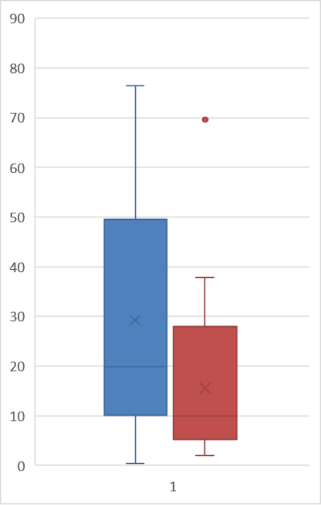
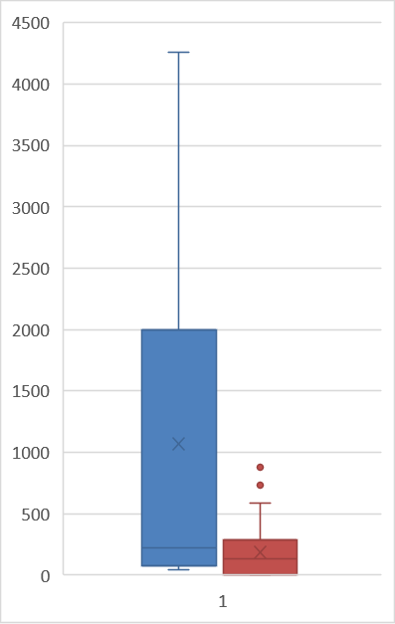
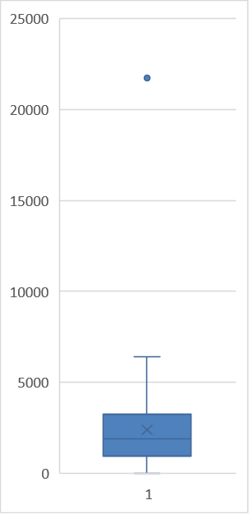
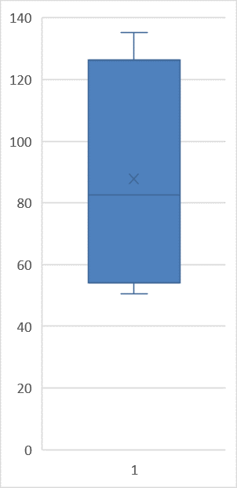

 | 2/Mar/20 - 31/May/20 |  | 1/Jun/20 - 31/Aug/20 |  |  | 1/Sep/20- 30/Nov/20 |  |  | 1/Dec/20 - 28/Feb/21 | 1/Mar/21 - 31/May/21 |  | 1/Jun/21 - 31/Aug/21 | 1/Sep/21- 30/Nov/21 | 1/Dec/21 - 28/Feb/22 | 1/Mar/22 - 31/May/22 | 1/Jun/22 - 31/Aug/22 | 1/Sep/22- 4/Sep/22
Q1 | 10.056 |  | 5.199 |  |  | 146.614 |  |  | 246.89025 | 270.188 |  | 71.93575 | 120.845 | 957.436 | 75.17825 | 0 | 54.18025
Q2 | 19.77 |  | 9.9135 |  |  | 280.944 |  |  | 318.1405 | 352.2515 |  | 134.073 | 213.294 | 1867.8765 | 218.8645 | 133.2445 | 82.678
Q3 | 49.595 |  | 27.89725 |  |  | 416.874 |  |  | 466.15475 | 433.9575 |  | 196.93775 | 683.477 | 3238.31475 | 1997.0205 | 286.57225 | 126.388

new_deaths_per_million
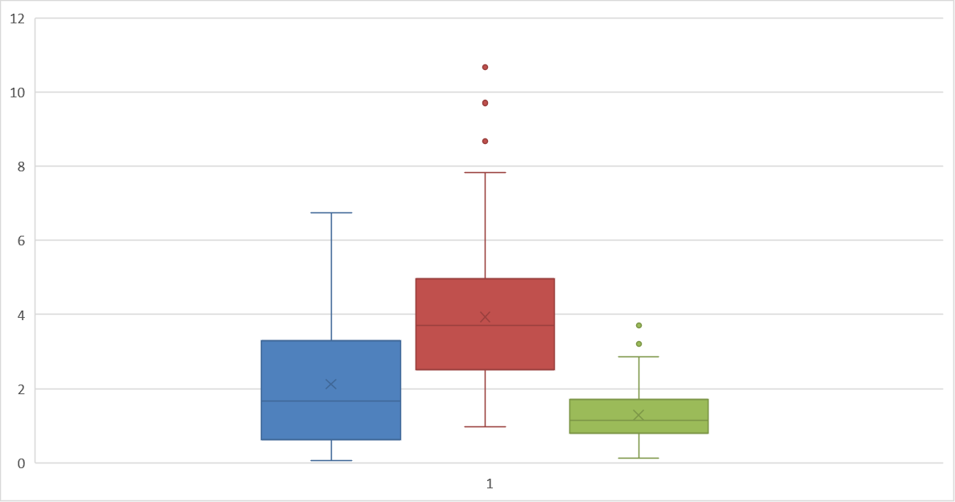

 | 7/Sep/20- 30/Nov/20 |  | 1/Dec/20 - 28/Feb/21 |  |  | 1/Mar/21 - 31/May/21 |  |  | 1/Jun/21 - 31/Aug/21 | 1/Sep/21- 30/Nov/21 |  | 1/Dec/21 - 28/Feb/22 | 1/Mar/22 - 31/May/22 | 1/Jun/22 - 4/Sep/22
Q1 | 0.6285 |  | 2.514 |  |  | 0.8 |  |  | 0.114 | 0.286 |  | 0.457 | 0.171 | 0
Q2 | 1.657 |  | 3.714 |  |  | 1.143 |  |  | 0.171 | 0.457 |  | 0.7715 | 0.343 | 0.1285
Q3 | 3.2855 |  | 4.971 |  |  | 1.69975 |  |  | 0.4 | 1.314 |  | 2.24225 | 0.686 | 0.229

reproduction_rate

 | 6/Mar/20 - 31/May/20 |  | 1/Jun/20 - 31/Aug/20 |  |  | 1/Sep/20- 30/Nov/20 |  |  | 1/Dec/20 - 28/Feb/21 | 1/Mar/21 - 31/May/21 |  | 1/Jun/21 - 31/Aug/21 | 1/Sep/21- 30/Nov/21 | 1/Dec/21 - 28/Feb/22 | 1/Mar/22 - 31/May/22 | 1/Jun/22 - 31/Aug/22 | 1/Sep/22- 1/Oct/22
Q1 | 0.68 |  | 0.8375 |  |  | 0.93 |  |  | 0.86 | 0.8875 |  | 0.6525 | 0.96 | 0.8375 | 0.51 | 0.8 | 1.05
Q2 | 0.93 |  | 1.025 |  |  | 1.23 |  |  | 0.92 | 1.015 |  | 0.815 | 1.25 | 1.035 | 0.76 | 1 | 1.35
Q3 | 1.65 |  | 1.4475 |  |  | 1.38 |  |  | 1.11 | 1.07 |  | 0.99 | 1.35 | 1.33 | 0.8875 | 1.25 | 1.57

icu_patients_per_million

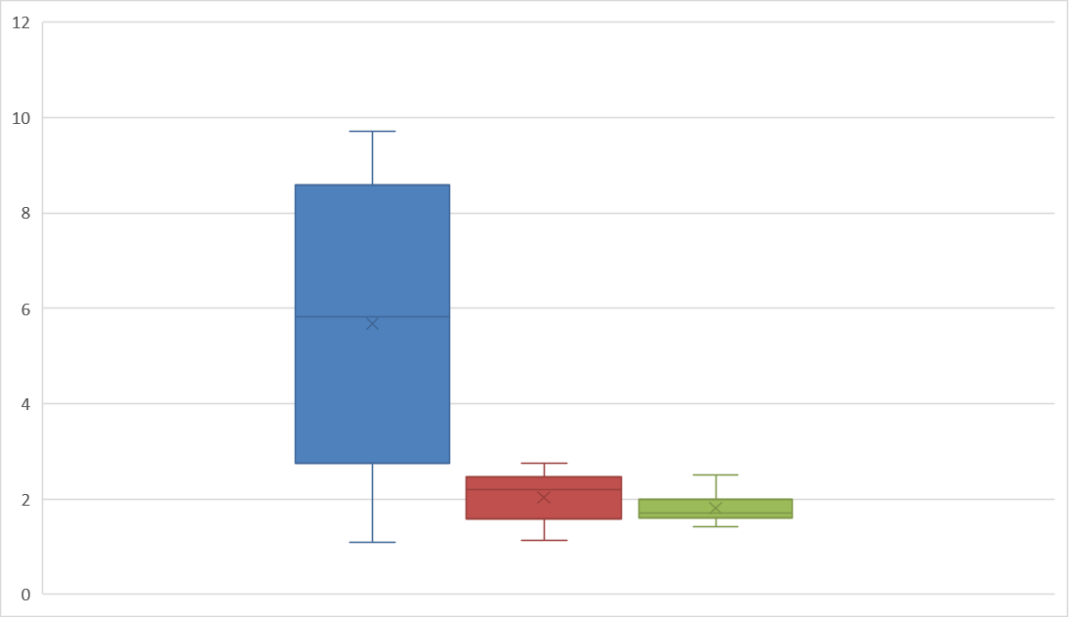
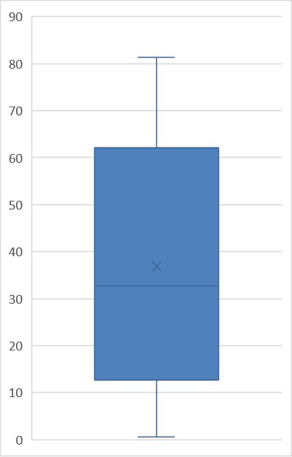

 | 2/Mar/20 - 31/May/20 |  | 1/Jun/20 - 31/Aug/20 |  |  | 1/Sep/20- 30/Nov/20 |  |  | 1/Dec/20 - 28/Feb/21 | 1/Mar/21 - 31/May/21 |  | 1/Jun/21 - 31/Aug/21 | 1/Sep/21- 30/Nov/21 | 1/Dec/21 - 28/Feb/22 | 1/Mar/22 - 31/May/22 | 1/Jun/22 - 31/Aug/22 | 1/Sep/22- 9/Oct/22
Q1 | 0.68 |  | 0.8375 |  |  | 0.93 |  |  | 0.86 | 0.8875 |  | 0.6525 | 0.96 | 0.8375 | 0.51 | 0.8 | 1.05
Q2 | 0.93 |  | 1.025 |  |  | 1.23 |  |  | 0.92 | 1.015 |  | 0.815 | 1.25 | 1.035 | 0.76 | 1 | 1.35
Q3 | 1.65 |  | 1.4475 |  |  | 1.38 |  |  | 1.11 | 1.07 |  | 0.99 | 1.35 | 1.33 | 0.8875 | 1.25 | 1.57

hosp_patients_per_million

 | 2/Mar/20 - 31/May/20 |  | 1/Jun/20 - 31/Aug/20 |  |  | 1/Sep/20- 30/Nov/20 |  |  | 1/Dec/20 - 28/Feb/21 | 1/Mar/21 - 31/May/21 |  | 1/Jun/21 - 31/Aug/21 | 1/Sep/21- 30/Nov/21 | 1/Dec/21 - 28/Feb/22 | 1/Mar/22 - 31/May/22 | 1/Jun/22 - 31/Aug/22 | 1/Sep/22- 9/Oct/22
Q1 | 43.196 |  | 4.628 |  |  | 21.198 |  |  | 77.60675 | 78.6925 |  | 12.599 | 20.969 | 62.59375 | 36.574875 | 29.34025 | 23.998
Q2 | 77.25 |  | 6.7705 |  |  | 68.565 |  |  | 88.706 | 91.077 |  | 24.512 | 26.455 | 75.4215 | 72.3075 | 37.4535 | 25.598
Q3 | 134.558 |  | 11.21325 |  |  | 89.706 |  |  | 99.21875 | 98.71875 |  | 26.95475 | 71.25 | 94.91975 | 95.4625 | 48.1095 | 37.425

new_tests_per_thousand

 | 1/Jun/20 - 31/Aug/20 |  | 1/Sep/20- 30/Nov/20 |  |  | 1/Dec/20 - 28/Feb/21 |  |  | 1/Mar/21 - 31/May/21 | 1/Jun/21 - 31/Aug/21 |  | 1/Sep/21- 30/Nov/21 | 1/Dec/21 - 28/Feb/22 | 1/Mar/22 - 20/Jun/22
Q1 | 0.53475 |  | 1.613 |  |  | 1.8885 |  |  | 2.59925 | 0.951 |  | 1.264 | 3.3645 | 0.11725
Q2 | 0.69 |  | 1.988 |  |  | 2.474 |  |  | 3.37 | 1.1615 |  | 1.798 | 4.6485 | 0.216
Q3 | 0.93025 |  | 2.42 |  |  | 3.114 |  |  | 4.173 | 1.758 |  | 4.158 | 7.242 | 2.1435

positive_rate

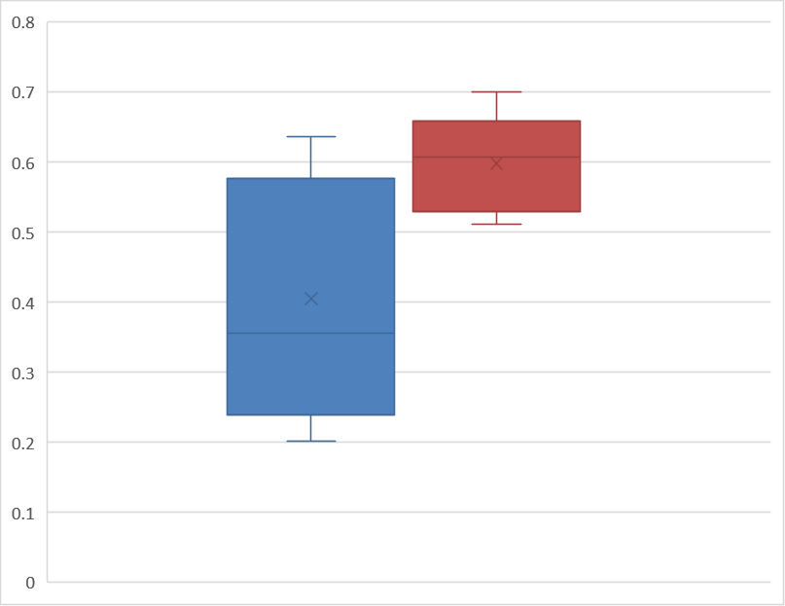

 | 7/Jun/20 - 31/Aug/20 |  | 1/Sep/20- 30/Nov/20 |  |  | 1/Dec/20 - 28/Feb/21 |  |  | 1/Mar/21 - 31/May/21 | 1/Jun/21 - 31/Aug/21 |  | 1/Sep/21- 30/Nov/21 | 1/Dec/21 - 28/Feb/22 | 1/Mar/22 - 20/Jun/22
Q1 | 0.008 |  | 0.071 |  |  | 0.10875 |  |  | 0.08425 | 0.05425 |  | 0.087 | 0.24 | 0.53
Q2 | 0.014 |  | 0.124 |  |  | 0.114 |  |  | 0.0945 | 0.126 |  | 0.118 | 0.3565 | 0.608
Q3 | 0.02425 |  | 0.15 |  |  | 0.13 |  |  | 0.10975 | 0.141 |  | 0.175 | 0.577 | 0.65875

total_vaccinations_per_hundred
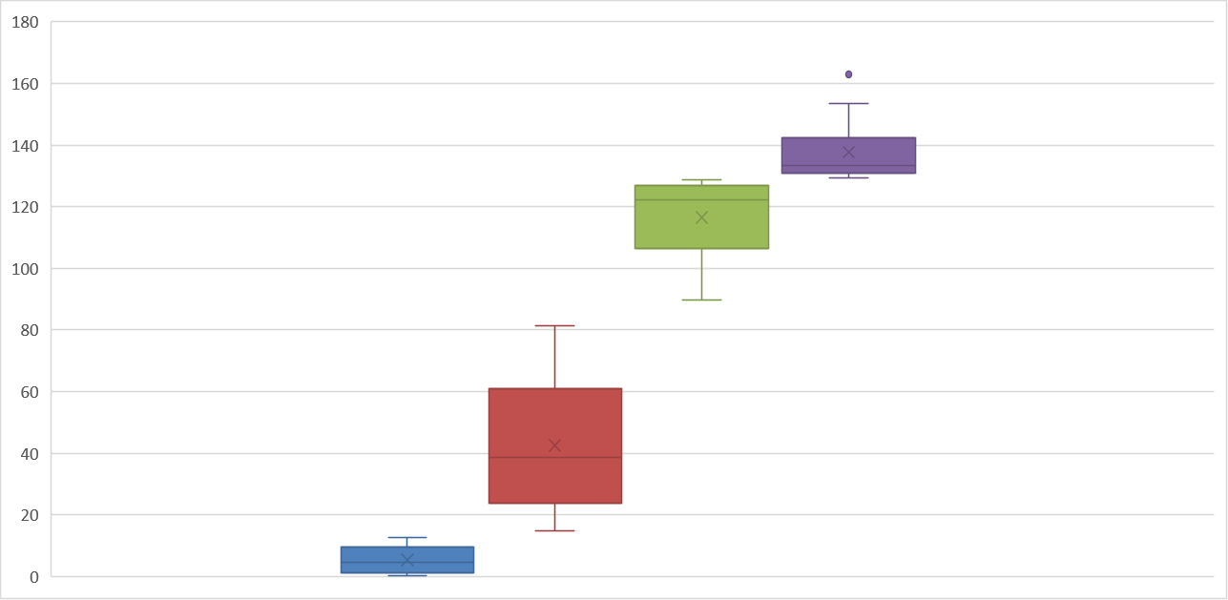
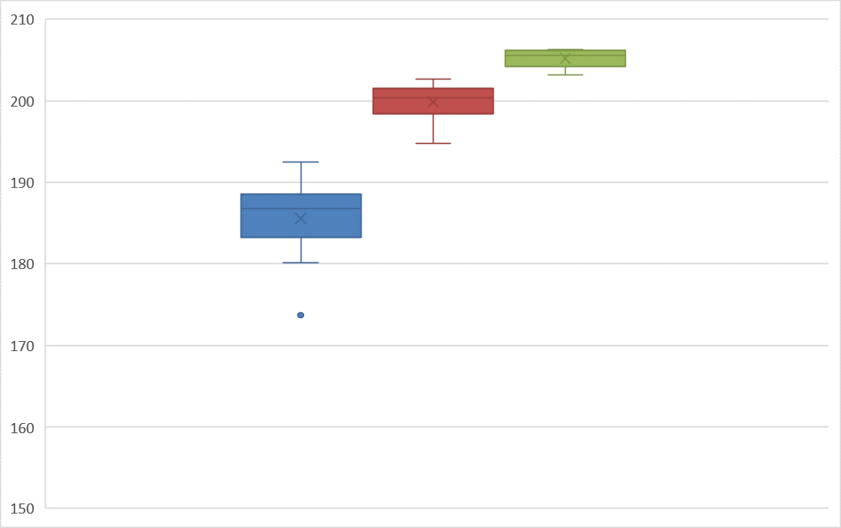

 | 4/Jan/21 - 31/Mar/21 | 1/Apr/21 - 30/Jun/21 |  | 1/Jul/21 - 30/Sept/21 |  |  | 1/Oct/21- 31/Dec/21 |  | 1/Jan/22 - 31/Mar/22 | 1/Apr/22 - 30/Jun/22 | 1/Jul/22 - 4/Sept/22
Q1 | 1.1625 | 23.655 |  | 106.44 |  |  | 130.95 |  | 183.26 | 198.425 | 204.245
Q2 | 4.68 | 38.74 |  | 122.24 |  |  | 133.39 |  | 186.735 | 200.43 | 205.615
Q3 | 9.55 | 61.05 |  | 126.815 |  |  | 142.2875 |  | 188.5775 | 201.535 | 206.145

people_vaccinated_per_hundred
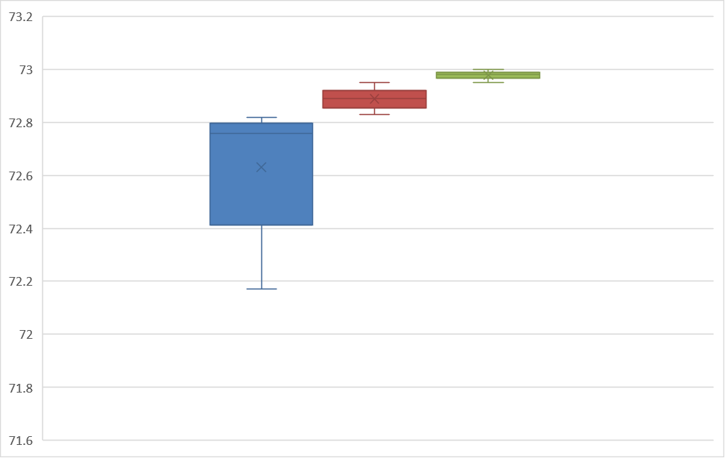
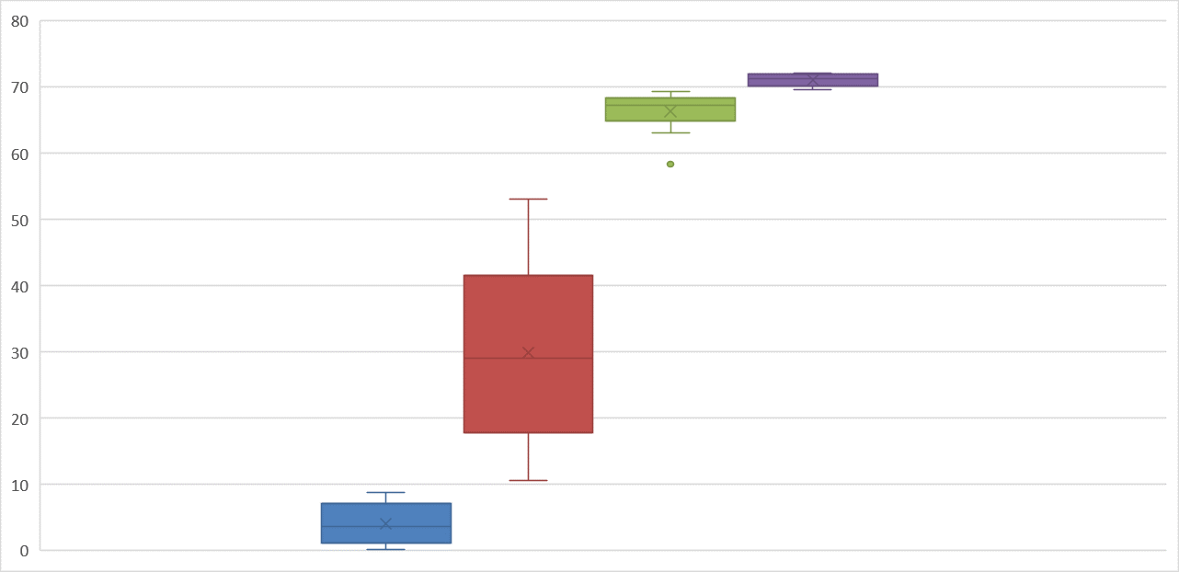

 | 4/Jan/21 - 31/Mar/21 | 1/Apr/21 - 30/Jun/21 |  | 1/Jul/21 - 30/Sept/21 |  |  | 1/Oct/21- 31/Dec/21 |  | 1/Jan/22 - 31/Mar/22 | 1/Apr/22 - 30/Jun/22 | 1/Jul/22 - 4/Sept/22
Q1 | 1.13 | 17.81 |  | 64.93 |  |  | 70.1925 |  | 72.4125 | 72.855 | 72.9675
Q2 | 3.635 | 29.04 |  | 67.29 |  |  | 71.355 |  | 72.76 | 72.89 | 72.98
Q3 | 7.1275 | 41.555 |  | 68.445 |  |  | 71.9225 |  | 72.7975 | 72.92 | 72.99

people_fully_vaccinated_per_hundred
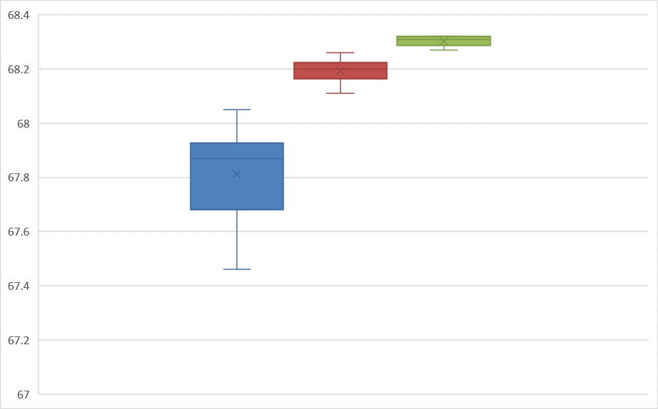
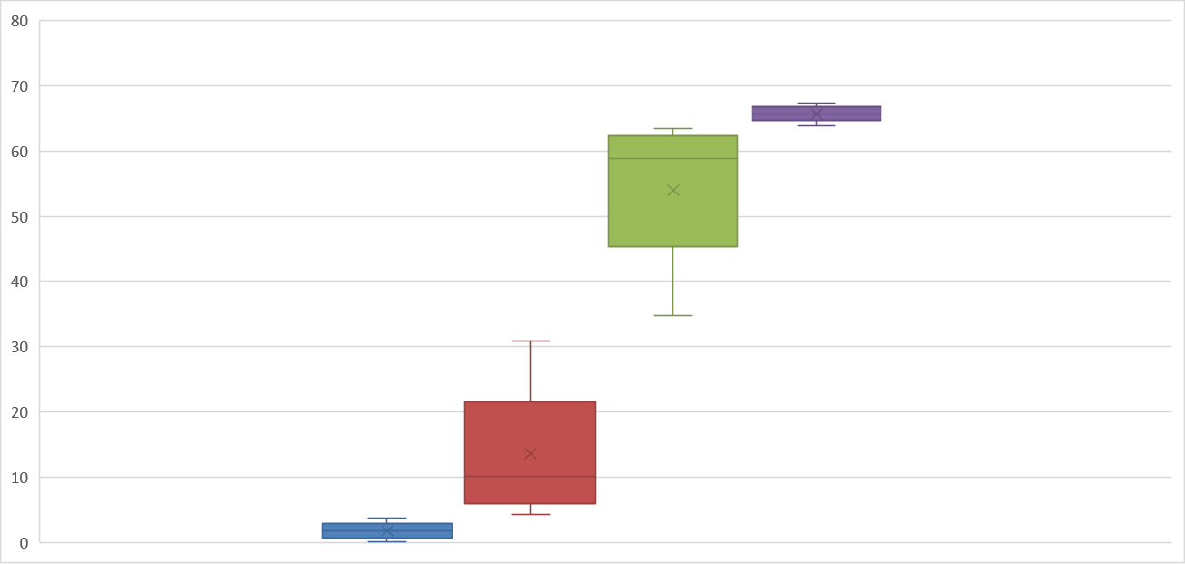

 | 25/Jan/21 - 31/Mar/21 | 1/Apr/21 - 30/Jun/21 |  | 1/Jul/21 - 30/Sept/21 |  |  | 1/Oct/21- 31/Dec/21 |  | 1/Jan/22 - 31/Mar/22 | 1/Apr/22 - 30/Jun/22 | 1/Jul/22 - 4/Sept/22
Q1 | 0.615 | 5.875 |  | 45.345 |  |  | 64.7075 |  | 67.68 | 68.165 | 68.2875
Q2 | 1.74 | 10.14 |  | 58.89 |  |  | 65.725 |  | 67.87 | 68.2 | 68.31
Q3 | 2.845 | 21.58 |  | 62.375 |  |  | 66.8525 |  | 67.9275 | 68.225 | 68.32

total_boosters_per_hundred

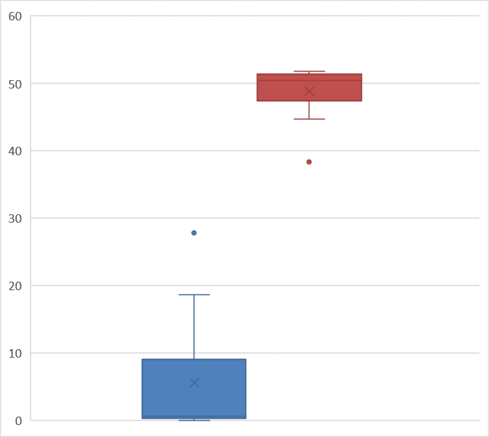
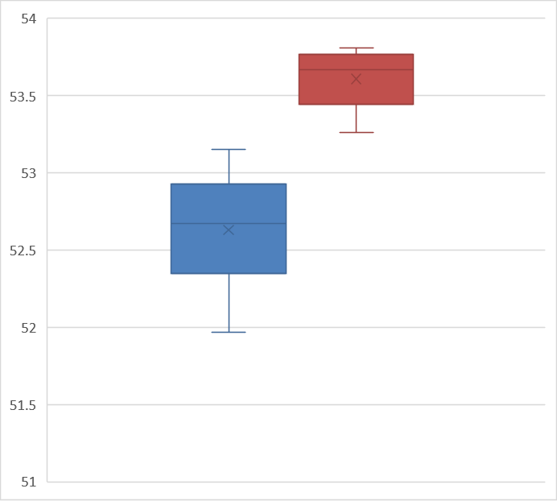

 | 4/Oct/21- 31/Dec/21 | 1/Jan/22 - 31/Mar/22 |  |  | 1/Apr/22 - 30/Jun/22 |  |  | 1/Jul/22 - 4/Sept/22
Q1 | 0.295 | 47.46 |  |  | 52.35 |  |  | 53.445
Q2 | 0.63 | 50.4 |  |  | 52.67 |  |  | 53.67
Q3 | 9.015 | 51.345 |  |  | 52.925 |  |  | 53.7675

ROU Charts
Graphs

New cases per million
 | Total
3/4/2020 - 3/10/2020 | 1.783
3/11/2020 - 3/17/2020 | 8.226
3/18/2020 - 3/24/2020 | 31.56
3/25/2020 - 3/31/2020 | 75.071
4/1/2020 - 4/7/2020 | 112.372
4/8/2020 - 4/14/2020 | 127.374
4/15/2020 - 4/21/2020 | 122.254
4/22/2020 - 4/28/2020 | 122.824
4/29/2020 - 5/5/2020 | 114.908
5/6/2020 - 5/12/2020 | 100.422
5/13/2020 - 5/19/2020 | 73.105
5/20/2020 - 5/26/2020 | 64.051
5/27/2020 - 6/2/2020 | 56.29
6/3/2020 - 6/9/2020 | 63.739
6/10/2020 - 6/16/2020 | 86.194
6/17/2020 - 6/23/2020 | 108.13
6/24/2020 - 6/30/2020 | 127.531
7/1/2020 - 7/7/2020 | 137.104
7/8/2020 - 7/14/2020 | 205.135
7/15/2020 - 7/21/2020 | 287.036
7/22/2020 - 7/28/2020 | 409.756
7/29/2020 - 8/4/2020 | 423.621
8/5/2020 - 8/11/2020 | 440.85
8/12/2020 - 8/18/2020 | 436.97
8/19/2020 - 8/25/2020 | 423.311
8/26/2020 - 9/1/2020 | 424.398
9/2/2020 - 9/8/2020 | 436.66
9/9/2020 - 9/15/2020 | 427.606
9/16/2020 - 9/22/2020 | 483.738
9/23/2020 - 9/29/2020 | 557
9/30/2020 - 10/6/2020 | 734.56
10/7/2020 - 10/13/2020 | 1078.664
10/14/2020 - 10/20/2020 | 1334.449
10/21/2020 - 10/27/2020 | 1601.878
10/28/2020 - 11/3/2020 | 2132.647
11/4/2020 - 11/10/2020 | 2889.921
11/11/2020 - 11/17/2020 | 3061.739
11/18/2020 - 11/24/2020 | 2955.781
11/25/2020 - 12/1/2020 | 2536.609
12/2/2020 - 12/8/2020 | 2330.282
12/9/2020 - 12/15/2020 | 2125.506
12/16/2020 - 12/22/2020 | 1709.077
12/23/2020 - 12/29/2020 | 1255.862
12/30/2020 - 1/5/2021 | 1304.909
1/6/2021 - 1/12/2021 | 1483.813
1/13/2021 - 1/19/2021 | 1082.854
1/20/2021 - 1/26/2021 | 907.466
1/27/2021 - 2/2/2021 | 894.739
2/3/2021 - 2/9/2021 | 864.109
2/10/2021 - 2/16/2021 | 855.521
...
New deaths per million
 | Total
<3/24/2020 | 0.362
3/24/2020 - 3/30/2020 | 2.999
3/31/2020 - 4/6/2020 | 5.743
4/7/2020 - 4/13/2020 | 8.018
4/14/2020 - 4/20/2020 | 7.605
4/21/2020 - 4/27/2020 | 8.432
4/28/2020 - 5/4/2020 | 9.158
5/5/2020 - 5/11/2020 | 8.485
5/12/2020 - 5/18/2020 | 7.142
5/19/2020 - 5/25/2020 | 4.398
5/26/2020 - 6/1/2020 | 3.673
6/2/2020 - 6/8/2020 | 3.259
6/9/2020 - 6/15/2020 | 4.553
6/16/2020 - 6/22/2020 | 4.966
6/23/2020 - 6/29/2020 | 5.742
6/30/2020 - 7/6/2020 | 6.933
7/7/2020 - 7/13/2020 | 6.883
7/14/2020 - 7/20/2020 | 7.088
7/21/2020 - 7/27/2020 | 8.692
7/28/2020 - 8/3/2020 | 11.693
8/4/2020 - 8/10/2020 | 15.365
8/11/2020 - 8/17/2020 | 15.521
8/18/2020 - 8/24/2020 | 14.486
8/25/2020 - 8/31/2020 | 16.143
9/1/2020 - 9/7/2020 | 15.779
9/8/2020 - 9/14/2020 | 13.401
9/15/2020 - 9/21/2020 | 14.124
9/22/2020 - 9/28/2020 | 15.004
9/29/2020 - 10/5/2020 | 15.52
10/6/2020 - 10/12/2020 | 21.676
10/13/2020 - 10/19/2020 | 24.005
10/20/2020 - 10/26/2020 | 27.886
10/27/2020 - 11/2/2020 | 35.336
11/3/2020 - 11/9/2020 | 44.287
11/10/2020 - 11/16/2020 | 55.151
11/17/2020 - 11/23/2020 | 57.015
11/24/2020 - 11/30/2020 | 59.705
12/1/2020 - 12/7/2020 | 57.739
12/8/2020 - 12/14/2020 | 54.169
12/15/2020 - 12/21/2020 | 51.064
12/22/2020 - 12/28/2020 | 44.133
12/29/2020 - 1/4/2021 | 37.405
1/5/2021 - 1/11/2021 | 34.56
1/12/2021 - 1/18/2021 | 28.249
1/19/2021 - 1/25/2021 | 29.49
1/26/2021 - 2/1/2021 | 29.023
2/2/2021 - 2/8/2021 | 28.921
2/9/2021 - 2/15/2021 | 25.04
2/16/2021 - 2/22/2021 | 23.23
2/23/2021 - 3/1/2021 | 26.335
...
Reproduction Rate
 | Total
2020-03-15 | 1.54
2020-03-16 | 1.63
2020-03-17 | 1.77
2020-03-18 | 1.96
2020-03-19 | 1.94
2020-03-20 | 2
2020-03-21 | 2.19
2020-03-22 | 2.39
2020-03-23 | 2.57
2020-03-24 | 2.57
2020-03-25 | 2.34
2020-03-26 | 2.27
2020-03-27 | 2.24
2020-03-28 | 2.11
2020-03-29 | 2.06
2020-03-30 | 1.86
2020-03-31 | 1.67
2020-04-01 | 1.63
2020-04-02 | 1.65
2020-04-03 | 1.65
2020-04-04 | 1.56
2020-04-05 | 1.41
2020-04-06 | 1.33
2020-04-07 | 1.33
2020-04-08 | 1.32
2020-04-09 | 1.31
2020-04-10 | 1.25
2020-04-11 | 1.25
2020-04-12 | 1.18
2020-04-13 | 1.13
2020-04-14 | 1.09
2020-04-15 | 1.09
2020-04-16 | 1.11
2020-04-17 | 1.08
2020-04-18 | 1.04
2020-04-19 | 1
2020-04-20 | 0.98
2020-04-21 | 1.01
2020-04-22 | 1.04
2020-04-23 | 1.01
2020-04-24 | 0.98
2020-04-25 | 0.96
2020-04-26 | 0.98
2020-04-27 | 0.97
2020-04-28 | 0.96
2020-04-29 | 0.95
2020-04-30 | 0.93
2020-05-01 | 0.95
2020-05-02 | 0.96
2020-05-03 | 1.02
...
ICU patients per million
 | Total
1/4/2021 - 1/10/2021 | 57.221
1/11/2021 - 1/17/2021 | 56.962
1/18/2021 - 1/24/2021 | 51.996
1/25/2021 - 1/31/2021 | 51.168
2/1/2021 - 2/7/2021 | 50.909
2/8/2021 - 2/14/2021 | 49.564
2/15/2021 - 2/21/2021 | 48.426
2/22/2021 - 2/28/2021 | 50.961
3/1/2021 - 3/7/2021 | 55.358
3/8/2021 - 3/14/2021 | 60.584
3/15/2021 - 3/21/2021 | 66.534
3/22/2021 - 3/28/2021 | 69.741
3/29/2021 - 4/4/2021 | 74.191
4/5/2021 - 4/11/2021 | 77.347
4/12/2021 - 4/18/2021 | 78.537
4/19/2021 - 4/25/2021 | 72.69
4/26/2021 - 5/2/2021 | 66.999
5/3/2021 - 5/9/2021 | 56.911
5/10/2021 - 5/16/2021 | 42.89
5/17/2021 - 5/23/2021 | 34.302
5/24/2021 - 5/30/2021 | 25.092
5/31/2021 - 6/6/2021 | 20.229
6/7/2021 - 6/13/2021 | 13.71
6/14/2021 - 6/20/2021 | 13.71
6/21/2021 - 6/27/2021 | 6.467
6/28/2021 - 7/4/2021 | 3.466
7/5/2021 - 7/11/2021 | 2.949
7/12/2021 - 7/18/2021 | 2.794
7/19/2021 - 7/25/2021 | 1.707
7/26/2021 - 8/1/2021 | 2.535
8/2/2021 - 8/8/2021 | 3.725
8/9/2021 - 8/15/2021 | 5.07
8/16/2021 - 8/22/2021 | 7.916
8/23/2021 - 8/29/2021 | 11.796
8/30/2021 - 9/5/2021 | 16.659
9/6/2021 - 9/12/2021 | 27.058
9/13/2021 - 9/19/2021 | 38.337
9/20/2021 - 9/26/2021 | 55.203
9/27/2021 - 10/3/2021 | 70.569
10/4/2021 - 10/10/2021 | 80.503
10/11/2021 - 10/17/2021 | 89.35
10/18/2021 - 10/24/2021 | 93.902
10/25/2021 - 10/31/2021 | 97.317
11/1/2021 - 11/7/2021 | 98.404
11/8/2021 - 11/14/2021 | 91.678
11/15/2021 - 11/21/2021 | 84.435
11/22/2021 - 11/28/2021 | 69.379
11/29/2021 - 12/5/2021 | 55.669
12/6/2021 - 12/12/2021 | 39.01
12/13/2021 - 12/19/2021 | 31.042
...

Total vaccinations per hundred
People vaccinated per hundred
Hosp patients per million
 | Total
2021-03-01 | 24.627
2021-03-02 | 22.195
2021-03-03 | 92.868
2021-03-04 | 344.775
2021-03-05 | 282.225
2021-03-06 | 282.949
2021-03-07 | 369.608
2021-03-08 | 441.419
2021-03-09 | 527.872
2021-03-10 | 538.633
2021-03-11 | 545.514
2021-03-12 | 544.221
2021-03-13 | 560.621
2021-03-14 | 581.419
2021-03-15 | 582.661
2021-03-16 | 594.147
2021-03-17 | 603.821
2021-03-18 | 607.65
2021-03-19 | 606.253
2021-03-20 | 620.636
2021-03-21 | 637.244
2021-03-22 | 646.66
2021-03-23 | 642.883
2021-03-24 | 644.538
2021-03-25 | 655.403
2021-03-26 | 645.314
2021-03-27 | 666.578
2021-03-28 | 690.274
2021-03-29 | 694.672
2021-03-30 | 694.672
2021-03-31 | 694.982
2021-04-01 | 706.468
2021-04-02 | 702.898
2021-04-03 | 718.936
2021-04-04 | 742.942
2021-04-05 | 736.216
2021-04-06 | 729.128
2021-04-07 | 726.386
2021-04-08 | 720.85
2021-04-09 | 750.703
2021-04-10 | 707.709
2021-04-11 | 727.266
2021-04-12 | 716.401
2021-04-13 | 701.294
2021-04-14 | 684.014
2021-04-15 | 671.804
2021-04-16 | 641.382
2021-04-17 | 644.073
2021-04-18 | 672.218
2021-04-19 | 619.55
...
Positive Rate
 | Total
2020-04-03
2020-04-04
2020-04-05
2020-04-06
2020-04-07
2020-04-08
2020-04-09
2020-04-10
2020-04-11
2020-04-12
2020-04-13
2020-04-14
2020-04-15
2020-04-16
2020-04-17
2020-04-18
2020-04-19
2020-04-20
2020-04-21
2020-04-22
2020-04-23
2020-04-24
2020-04-25
2020-04-26
2020-04-27
2020-04-28
2020-04-29
2020-04-30
2020-05-01
2020-05-02
2020-05-03
2020-05-04
2020-05-05
2020-05-06
2020-05-07
2020-05-08
2020-05-09
2020-05-10
2020-05-11
2020-05-12
2020-05-13
2020-05-14
2020-05-15
2020-05-16
2020-05-17
2020-05-18
2020-05-19
2020-05-20
2020-05-21
2020-05-22
...
People fully vaccinated per hundred

BoxPlots

new_cases_per_million
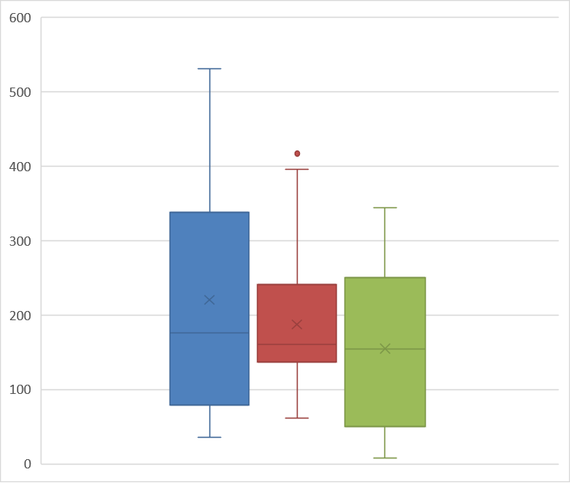
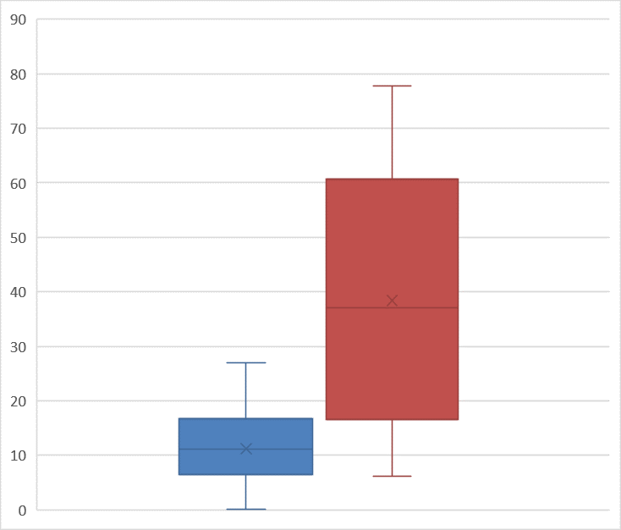
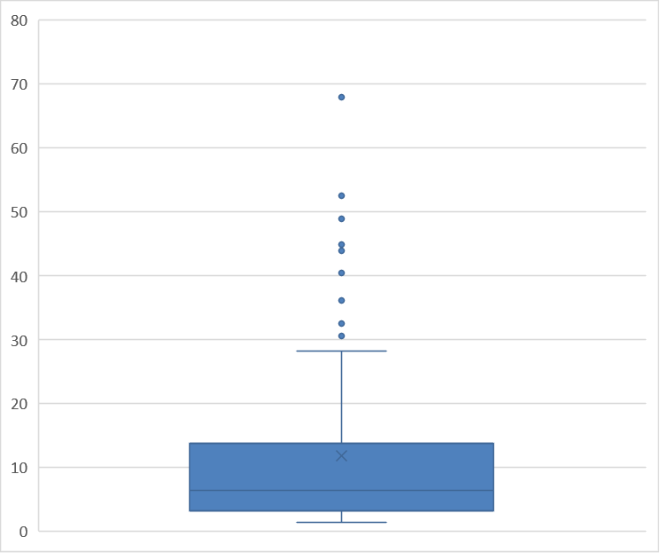
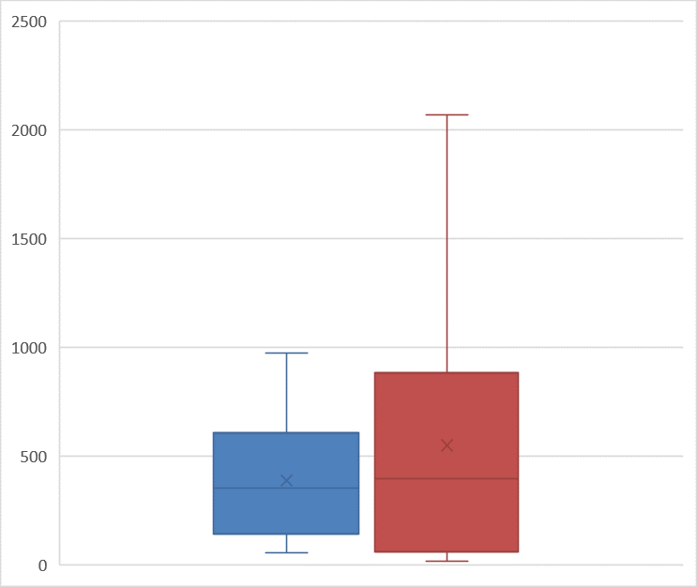
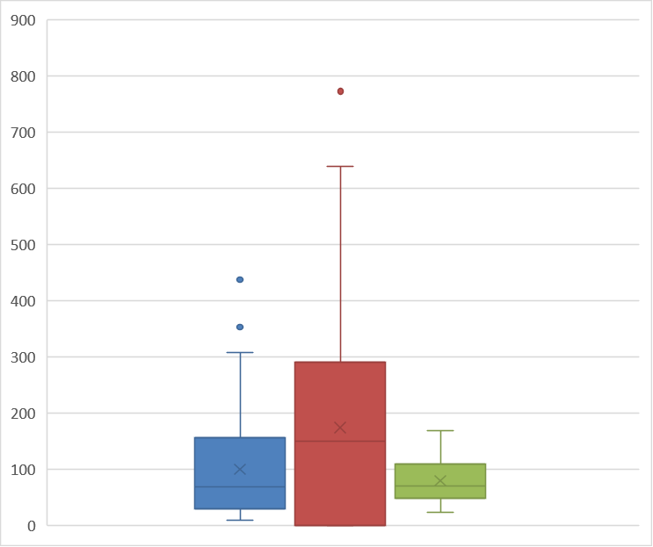

 | 4/Mar/20 - 31/May/20 |  | 1/Jun/20 - 31/Aug/20 |  | 1/Sep/20- 30/Nov/20 |  | 1/Dec/20 - 28/Feb/21 |  | 1/Mar/21 - 31/May/21 |  | 1/Jun/21 - 31/Aug/21 |  | 1/Sep/21- 30/Nov/21 | 1/Dec/21 - 28/Feb/22 | 1/Mar/22 - 31/May/22 | 1/Jun/22 - 31/Aug/22 | 1/Sep/22- 9/Oct/22
Q1 | 6.493 |  | 16.556 |  | 79.002 |  | 136.48175 |  | 49.83525 |  | 3.13 |  | 139.534 | 59.38125 | 29.49 | 0 | 47.999
Q2 | 11.123 |  | 37.0175 |  | 175.905 |  | 160.695 |  | 154.202 |  | 6.3895 |  | 351.242 | 395.244 | 68.49975 | 150.425 | 71.1385
Q3 | 16.711 |  | 60.752 |  | 338.67 |  | 241.094 |  | 250.79475 |  | 13.814 |  | 606.615 | 883.67975 | 156.698 | 290.5285 | 108.85425

new_deaths_per_million
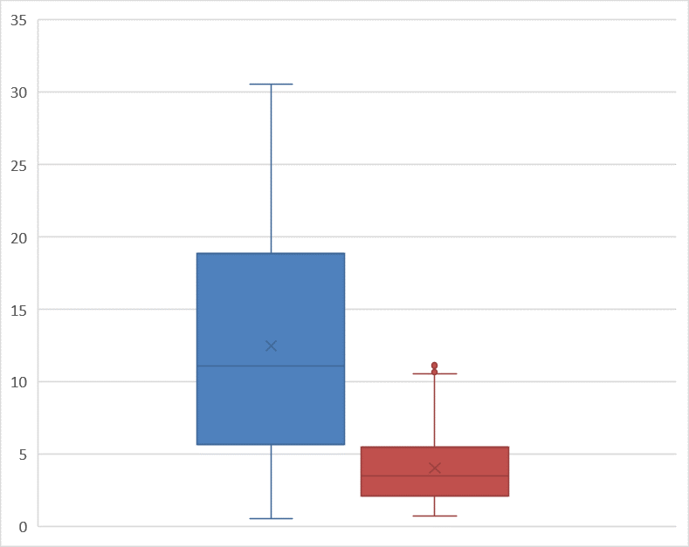
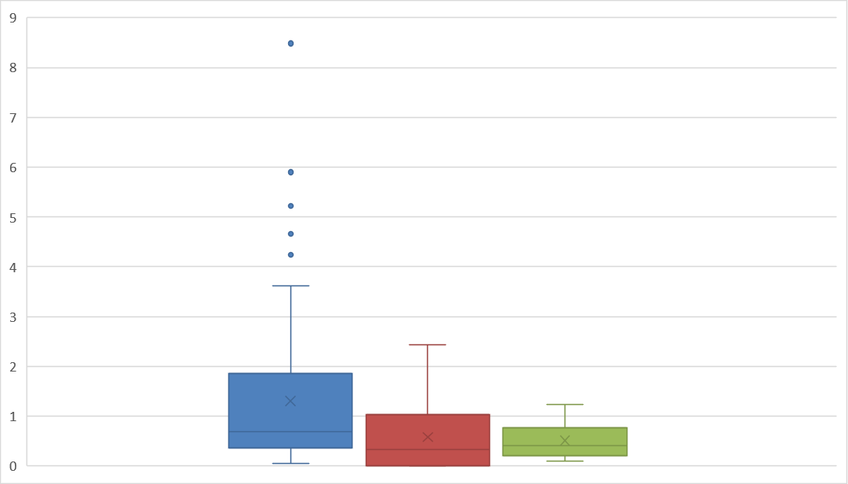

 | 24/Mar/20 - 31/May/20 |  | 1/Jun/20 - 31/Aug/20 |  | 1/Sep/20- 30/Nov/20 |  | 1/Dec/20 - 28/Feb/21 |  | 1/Mar/21 - 31/May/21 |  | 1/Jun/21 - 31/Aug/21 |  | 1/Sep/21- 30/Nov/21 | 1/Dec/21 - 28/Feb/22 | 1/Mar/22 - 31/May/22 | 1/Jun/22 - 31/Aug/22 | 1/Sep/22- 9/Oct/22
Q1 | 0.569 |  | 0.737 |  | 2.276 |  | 3.557 |  | 3.738 |  | 0.168 |  | 5.639 | 2.121 | 0.362 | 0 | 0.207
Q2 | 1.035 |  | 1.112 |  | 3.518 |  | 4.501 |  | 5.303 |  | 0.724 |  | 11.072 | 3.492 | 0.6985 | 0.336 | 0.414
Q3 | 1.19 |  | 1.914 |  | 6.364 |  | 6.571 |  | 7.23 |  | 3.79 |  | 18.884 | 5.497 | 1.863 | 1.035 | 0.776

reproduction_rate

 | 15/Mar/20 - 31/May/20 |  | 1/Jun/20 - 31/Aug/20 |  | 1/Sep/20- 30/Nov/20 |  | 1/Dec/20 - 28/Feb/21 |  | 1/Mar/21 - 31/May/21 |  | 1/Jun/21 - 31/Aug/21 |  | 1/Sep/21- 30/Nov/21 | 1/Dec/21 - 28/Feb/22 | 1/Mar/22 - 31/May/22 | 1/Jun/22 - 20/Jun/22
Q1 | 0.8875 |  | 1.04 |  | 1.03 |  | 0.85 |  | 0.6525 |  | 0.6225 |  | 0.67 | 0.69 | 0.69 | 0.125
Q2 | 1.01 |  | 1.15 |  | 1.15 |  | 0.92 |  | 0.77 |  | 1.2 |  | 1.13 | 0.97 | 0.78 | 0.77
Q3 | 1.5775 |  | 1.2775 |  | 1.26 |  | 0.99 |  | 1.1 |  | 1.4575 |  | 1.48 | 1.62 | 0.83 | 0.8675

icu_patients_per_million

 | 4/Jan/21 - 31/Mar/21 | 1/Apr/21 - 30/Jun/21 |  | 1/Jul/21 - 30/Sept/21 |  | 1/Oct/21- 31/Dec/21 | 1/Jan/22 - 31/Mar/22 |  | 1/Apr/22 - 30/Jun/22 | 1/Jul/22 - 2/Oct/22
Q1 | 50.922 | 16.9695 |  | 2.8715 |  | 47.3395 | 22.4795 |  | 3.4145 | 6.0535
Q2 | 53.677 | 42.89 |  | 5.07 |  | 80.503 | 32.594 |  | 7.812 | 8.1485
Q3 | 59.74325 | 73.4405 |  | 21.8585 |  | 92.79 | 51.6075 |  | 12.417 | 13.296

hosp_patients_per_million

 | 1/Mar/21 - 31/May/21 |  | 1/Jun/21 - 31/Aug/21 |  | 1/Sep/21- 30/Nov/21 |  | 1/Dec/21 - 28/Feb/22 |  | 1/Mar/22 - 31/May/22 |  | 1/Jun/22 - 31/Aug/22 |  | 1/Sep/22- 9/Oct/22
Q1 | 282.406 |  | 22.842 |  | 404.065 |  | 167.65325 |  | 59.71775 |  | 33.086 |  | 77.644
Q2 | 535.9945 |  | 34.6895 |  | 697.931 |  | 290.348 |  | 103.1895 |  | 118.374 |  | 92.454
Q3 | 646.3235 |  | 64.6585 |  | 962.255 |  | 521.0295 |  | 169.17975 |  | 198.69575 |  | 107.94875

positive_rate

 | 3/Apr/20 - 30/Jun/20 | 1/Jul/20 - 30/Sept/20 |  | 1/Oct/20- 31/Dec/20 |  | 1/Jan/21 - 31/Mar/21 |  | 1/Apr/21 - 30/Jun/21 | 1/Jul/21 - 30/Sep/21 | 1/Oct/21- 31/Dec/21 |  | 1/Jan/22 - 31/Mar/22
Q1 | 0.0233 | 0.058375 |  | 0.156325 |  | 0.095925 |  | 0.0069 | 0.0032 | 0.034925 |  | 0.11195
Q2 | 0.0347 | 0.0629 |  | 0.2437 |  | 0.1108 |  | 0.0304 | 0.01075 | 0.10895 |  | 0.2128
Q3 | 0.06675 | 0.0653 |  | 0.270425 |  | 0.16485 |  | 0.0969 | 0.03905 | 0.210625 |  | 0.30475

total_vaccinations_per_hundred
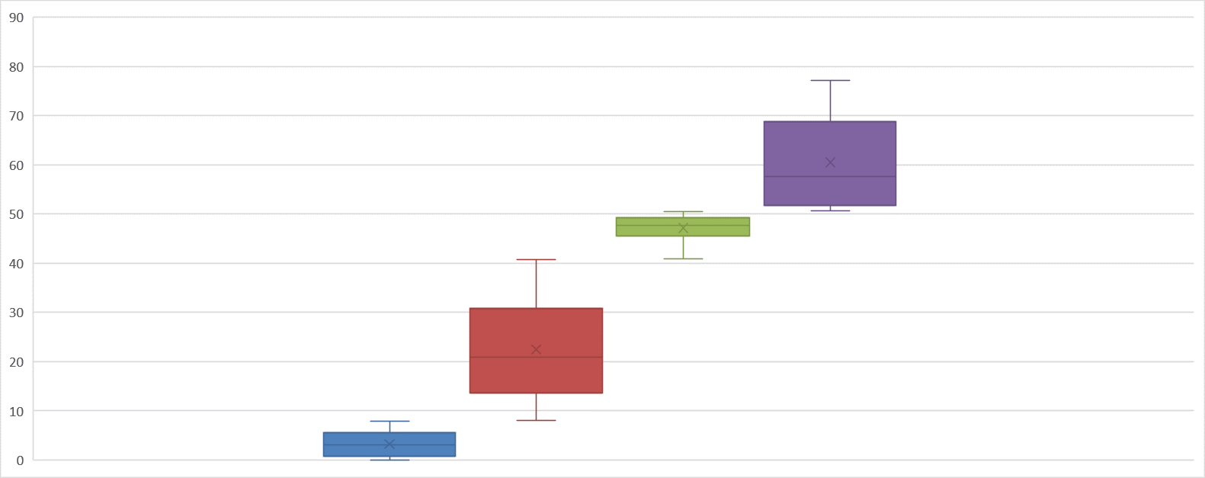
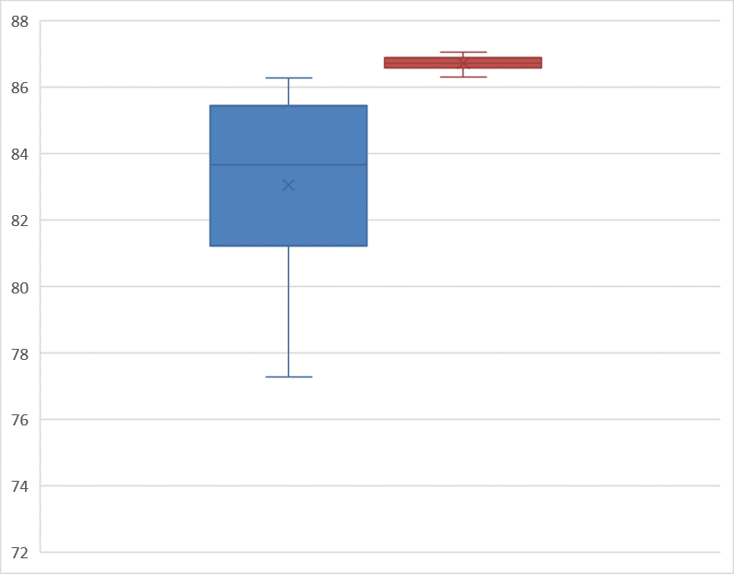

 | 27/Dec/20 - 28/Feb/21 |  | 1/Mar/21 - 31/May/21 |  | 1/Jun/21 - 31/Aug/21 |  | 1/Sep/21- 30/Nov/21 |  | 1/Dec/21 - 28/Feb/22 |  | 1/Mar/22 - 11/Jun/22
Q1 | 0.67 |  | 13.625 |  | 45.5525 |  | 51.75 |  | 81.23 |  | 86.58
Q2 | 3.05 |  | 20.855 |  | 47.67 |  | 57.58 |  | 83.66 |  | 86.74
Q3 | 5.5625 |  | 30.845 |  | 49.24 |  | 68.75 |  | 85.465 |  | 86.9

people_vaccinated_per_hundred
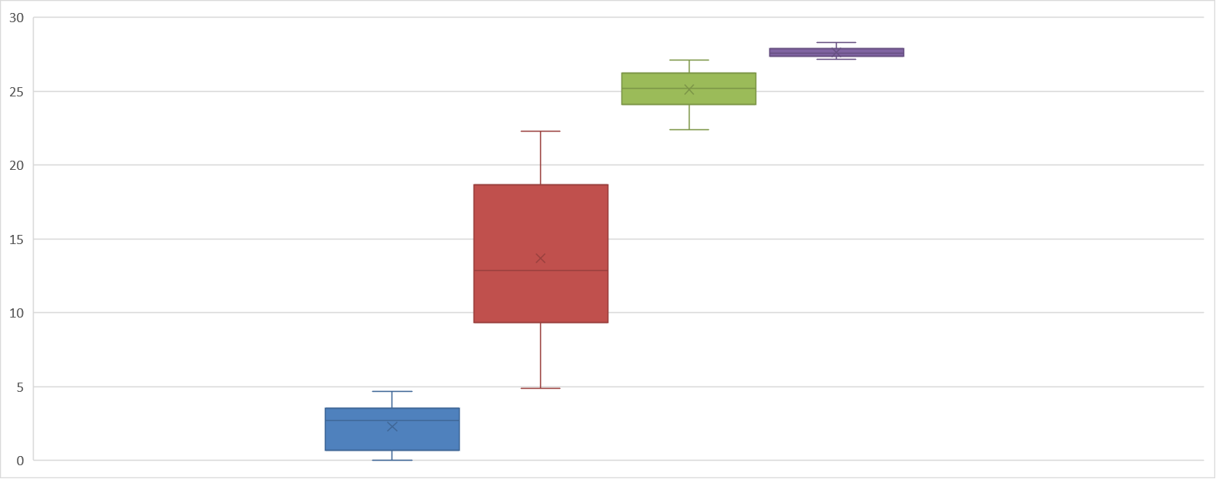

 | 27/Dec/20 - 28/Feb/21 |  | 1/Mar/21 - 31/May/21 |  | 1/Jun/21 - 31/Aug/21 |  | 1/Sep/21- 27/Sep/21
Q1 | 0.67 |  | 9.31 |  | 24.085 |  | 27.35
Q2 | 2.705 |  | 12.875 |  | 25.19 |  | 27.56
Q3 | 3.525 |  | 18.6675 |  | 26.245 |  | 27.88

people_fully_vaccinated_per_hundred
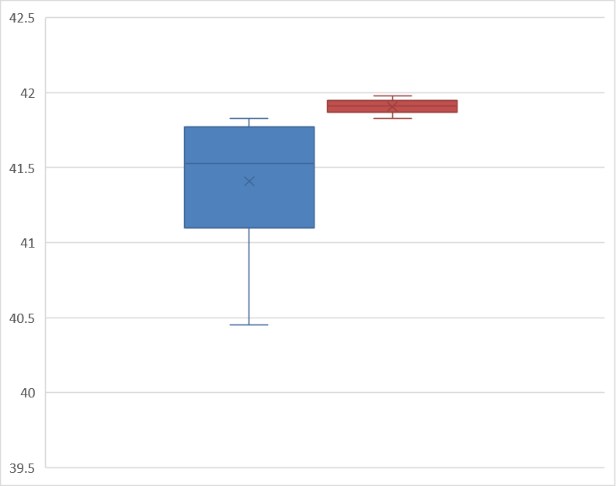


 | 4/Jan/21 - 31/Mar/21 | 1/Apr/21 - 30/Jun/21 |  | 1/Jul/21 - 30/Sept/21 |  | 1/Oct/21- 31/Dec/21 | 1/Jan/22 - 31/Mar/22 |  | 1/Apr/22 - 30/Jun/22
Q1 | 0.8425 | 9.02 |  | 24.7725 |  | 30.4575 | 41.0975 |  | 41.87
Q2 | 3.08 | 14.69 |  | 25.855 |  | 35.845 | 41.53 |  | 41.91
Q3 | 3.6525 | 20.88 |  | 26.8225 |  | 39.265 | 41.7725 |  | 41.9475

